18K
BFR18B15S2R
14.3 SEER2
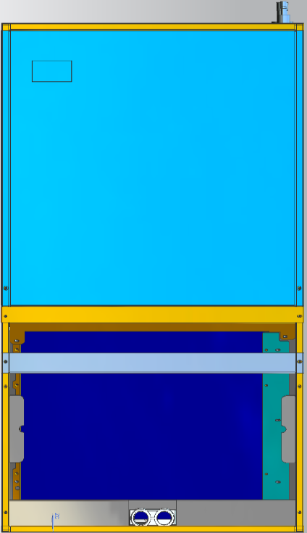
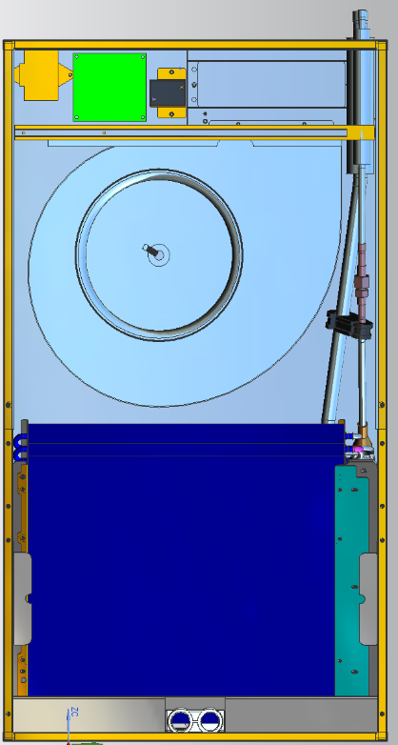

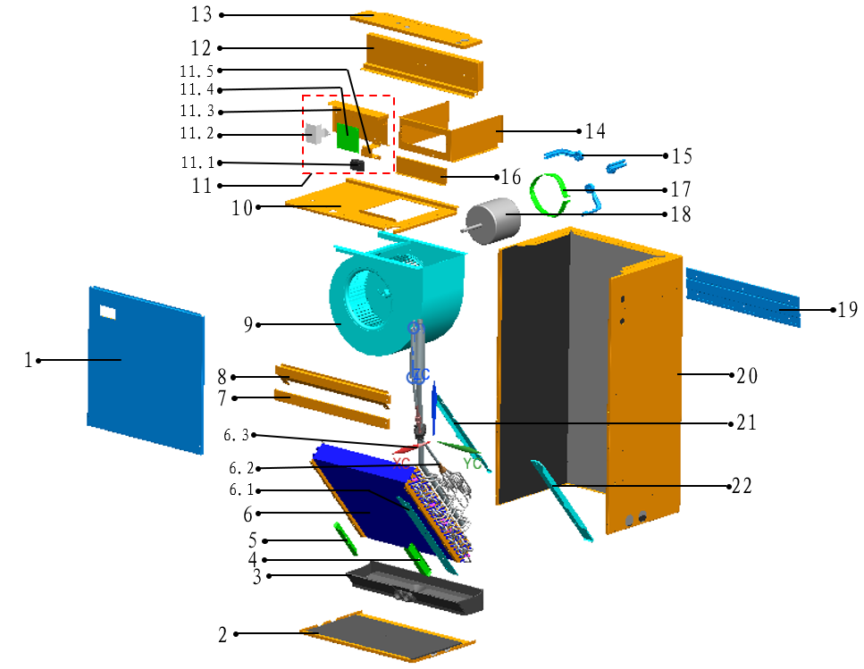

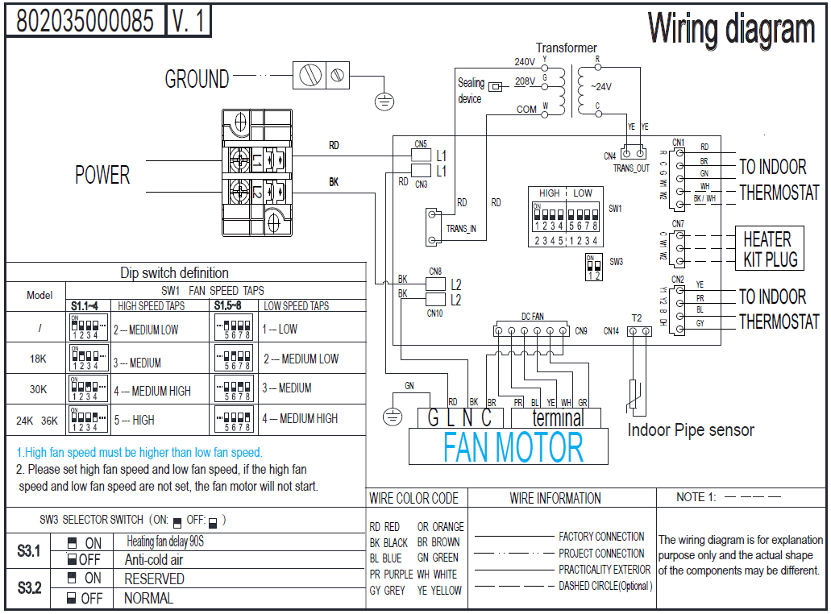

No. | Part Name | Quantity | BOM code
1 | Front panel assembly | 1 | 801235000016
2 | Base plate assembly | 1 | 801235000007
3 | Water pan components | 1 | 801135000001
4 | Filter cover plate | 1 | 801235000031
5 | Filter cover plate | 1 | 801235000067
6 | Evaporator components | 1 | 801535000006
6.1 | Evaporator connection plate | 1 | 801235000032
6.2 | Evaporator input pipe assembly | 1 | 801635000035
6.3 | Evaporator output pipe assembly | 1 | 801635000036
7 | Evaporator connection plate assembly | 1 | 801235000020
8 | Evaporator support plate assembly | 1 | 801235000014
9 | Fan motor assembly (left type) | 1 | 802907400002
10 | Wind Wheel Fixed Block assembly | 1 | 801235000008
11 | E-parts board for indoor unit | 1 | 803335000007
11.1 | Wiring Block | 1 | 802404700012
11.2 | transformers | 1 | 802311300001
11.3 | Electrical control mounting plate | 1 | 801235000027
11.4 | Indoor main control board assembly | 1 | 801343000003
11.5 | Electrical control mounting plate | 1 | 801235000028
12 | Wind Wheel Fixed Block | 1 | 801235000026
13 | Electrical control box cover plate assembly | 1 | 801235000018
14 | Air duct front side panel | 1 | 801235000025
15 | Motor mounting bracket assembly | 3 | 801235000022
16 | Stator | 1 | 801239390036
17 | Motor fixing ring | 1 | 801239390022
18 | Indoor Motor | 1 | 802401700423
19 | Indoor unit mounting plate | 2 | 801235000035
20 | Rear panel assembly | 1 | 801235000011
21 | Evaporator rear fixing plate | 1 | 801235000030
22 | Evaporator front fixing plate | 1 | 801235000029

24K
BFR24B15S2R
14.3 SEER2


No. | Part Name | Quantity | Sale code | BOM code
1 | Front panel assembly | 1 |  | 801235000016
2 | Base plate assembly | 1 |  | 801235000007
3 | Water pan components | 1 |  | 801135000001
4 | Filter cover plate | 1 |  | 801235000031
5 | Filter cover plate | 1 |  | 801235000067
6 | Evaporator components | 1 |  | 801535000021
6.1 | Evaporator connection plate | 1 |  | 801235000032
6.2 | Evaporator input pipe assembly | 1 |  | 801635000056
6.3 | Evaporator output pipe assembly | 1 |  | 801635000036
7 | Evaporator connection plate assembly | 1 |  | 801235000020
8 | Evaporator support plate assembly | 1 |  | 801235000014
9 | Fan motor assembly (left type) | 1 |  | 802907400002
10 | Wind Wheel Fixed Block assembly | 1 |  | 801235000008
11 | E-parts board for indoor unit | 1 |  | 803335000007
11.1 | Wiring Block | 1 |  | 802404700012
11.2 | transformers | 1 |  | 802311300001
11.3 | Electrical control mounting plate | 1 |  | 801235000027
11.4 | Indoor main control board assembly | 1 |  | 801343000003
11.5 | Electrical control mounting plate | 1 |  | 801235000028
12 | Wind Wheel Fixed Block | 1 |  | 801235000026
13 | Electrical control box cover plate assembly | 1 |  | 801235000018
14 | Air duct front side panel | 1 |  | 801235000025
15 | Motor mounting bracket assembly | 3 |  | 801235000022
16 | Stator | 1 |  | 801239390036
17 | Motor fixing ring | 1 |  | 801239390022
18 | Indoor Motor | 1 |  | 802401700423
19 | Indoor unit mounting plate | 2 |  | 801235000035
20 | Rear panel assembly | 1 |  | 801235000011
21 | Evaporator rear fixing plate | 1 |  | 801235000030
22 | Evaporator front fixing plate | 1 |  | 801235000029

30K
BFR30B15S2R
14.3 SEER2
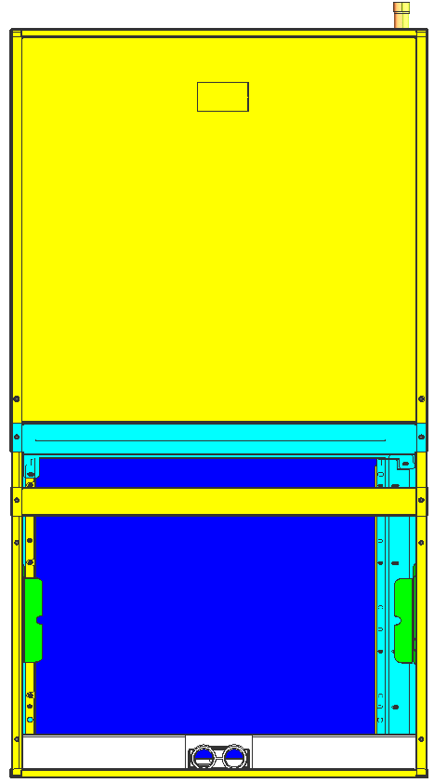
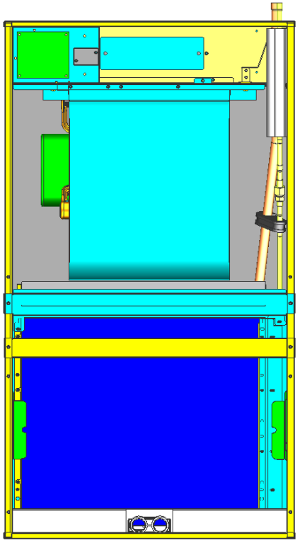

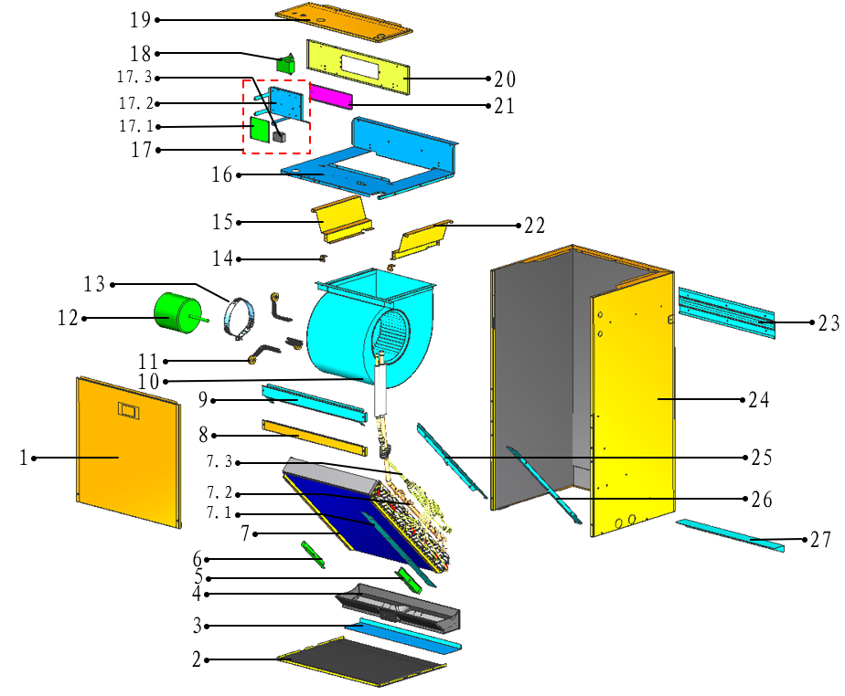

No. | Part Name | Quantity | Sale code | BOM code
1 | Front panel assembly | 1 |  | 801235000048
2 | Base plate assembly | 1 |  | 801235000046
3 | Indoor unit mounting plate | 1 |  | 801235000041
4 | Water pan components | 1 |  | 801135000003
5 | Filter cover plate | 1 |  | 801235000031
6 | Filter cover plate | 1 |  | 801235000067
7 | Evaporator components | 1 |  | 801535000015
7.1 | Evaporator connection plate | 1 |  | 801235000056
7.2 | Evaporator input pipe assembly | 1 |  | 801635000053
7.3 | Evaporator output pipe assembly | 1 |  | 801635000054
8 | Evaporator Junction Plate | 1 |  | 801235000054
9 | Evaporator support plate assembly | 1 |  | 801235000050
10 | Fan motor assembly (Right type) | 1 |  | 802907400001
11 | Fan Motor Fixing plate assembly | 3 |  | 801235000022
12 | Indoor Motor | 1 |  | 802401700436
13 | Motor fixing ring | 1 |  | 801239390022
14 | Wind Wheel Fixed Block | 2 |  | 801235000065
15 | Air duct right side panel | 1 |  | 801235000061
16 | Wind Wheel Fixed Block assembly | 1 |  | 801235000063
17 | E-parts board for indoor unit | 1 |  | 803335000016
17.1 | Indoor main control board assembly | 1 |  | 801343000003
17.2 | Wiring Block | 1 |  | 802404700012
17.3 | Electrical control mounting plate | 1 |  | 801235000038
18 | transformers | 1 |  | 802311300001
19 | Electrical control box cover plate assembly | 1 |  | 801235000052
20 | Electrical control mounting plate | 1 |  | 801235000039
21 | Stator | 1 |  | 801239390036
22 | Air duct left side panel | 1 |  | 801235000060
23 | Indoor unit mounting plate | 2 |  | 801235000035
24 | Rear panel assembly | 1 |  | 801235000042
25 | Evaporator rear fixing plate | 1 |  | 801235000045
26 | Evaporator front fixing plate | 1 |  | 801235000044

