18K
BAC18B15S2R
14.3 SEER2

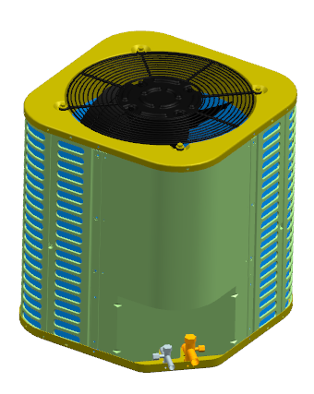
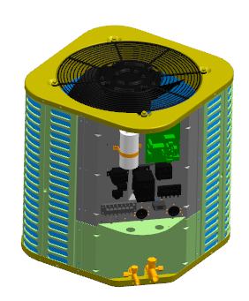

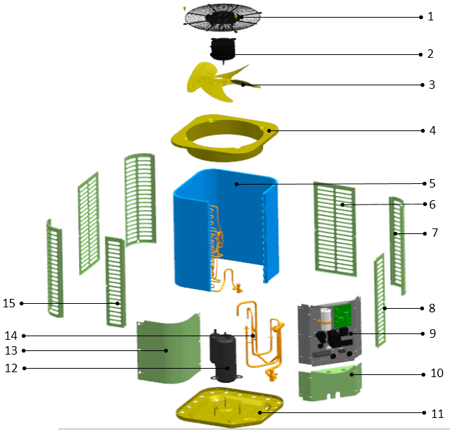

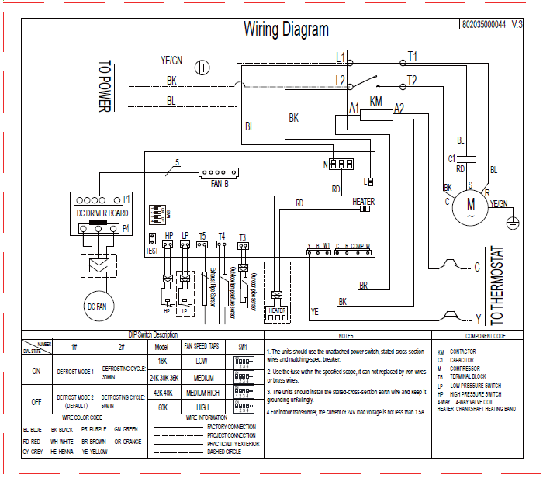

No. | Part Name | Quantity | Sale code | BOM code
1 | Cover net | 1 |  | 802924290002
2 | Outdoor DC motor | 1 |  | 802401700429
3 | Axial-flow fan | 1 |  | 802919900009
4 | Top cover assembly | 1 |  | 801224290022
5 | Condenser assembly | 1 |  | 801535000012
5.1 | Condenser | 1 |  | 801533490081
5.2 | High-pressure valves weld assembly | 1 |  | 801635000039
5.2.1 | Square valve(φ9.52) | 1 |  | 801600900069
6 | Rear side-panel | 2 |  | 801224290024
7 | Support board | 3 |  | 801224290030
8 | Right side panel | 1 |  | 801224290028
9 | Electronic components | 1 |  | 803335000008
9.1 | Electric install board weld assembly | 1 |  | 801235000005
9.2 | AC Contactor | 1 |  | 802300100261
9.3 | Compressor capacitor | 1 |  | 802401000033
9.4 | Outdoor mainboard | 1 |  | 801335000003
9.5 | Fan drive board assembly | 1 |  | 801337000050
10 | Left side panel | 1 |  | 801224290026
11 | Chassis assembly | 1 |  | 801224290018
12 | Compressor | 1 |  | 801400100032
13 | Top panel | 1 |  | 801225490041
14.1 | Low-pressure valves weld assembly | 1 |  | 801632490156
14.1.1 | Square valve (φ19.05) | 1 |  | 801600900072
14.1.2 | Low Pressure switch | 1 |  | 802300900043
14.2 | Discharge air pipe weld assembly | 1 |  | 801635000041
14.2.1 | High Pressure switch | 1 |  | 802300900041
15 | Left side panel | 1 |  | 801224290034

42K
BAC42B15S2R
14.3 SEER2

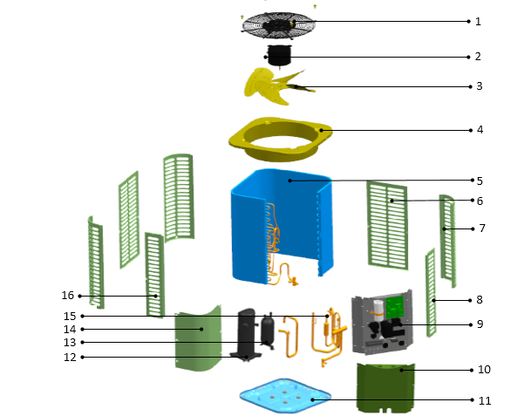

No. | Part Name | Quantity | Sale code | BOM code
1 | Cover net | 1 |  | 802935000002
2 | Outdoor DC motor | 1 |  | 802401700429
3 | Axial-flow fan | 1 |  | 802925490002
4 | Top cover assembly | 1 |  | 801225490037
5 | Condenser assembly | 1 |  | 801535000022
5.1 | Condenser | 1 |  | 801534490076
5.2 | Condenser input pipe assembly | 1 |  | 801625490182
5.3 | Condenser output pipe assembly | 1 |  | 801625490185
5.3.1 | High-pressure valves weld assembly | 1 |  | 801625490184
5.3.1.1 | Square valve(φ9.52) | 1 |  | 801600900069
6 | Rear side-panel | 2 |  | 801225490039
7 | Support board | 3 |  | 801225490047
8 | Right side panel | 1 |  | 801225490045
9 | Electronic components | 1 |  | 803335000010
9.1 | Electric install board weld assembly | 1 |  | 801235000005
9.2 | AC Contactor | 1 |  | 802300100261
9.3 | Compressor capacitor | 1 |  | 802401000013
9.4 | Outdoor mainboard | 1 |  | 801335000003
9.5 | Fan drive board assembly | 1 |  | 801337000050
10 | Left side panel | 1 |  | 801225490119
11 | Chassis assembly | 1 |  | 801225490153
12 | Compressor | 1 |  | 801400100029
14 | Top panel | 1 |  | 801225490041
15.1 | Suction air pipe weld assembly | 1 |  | 801634090115
15.1.1 | Square valve (φ19.05) | 1 |  | 801600900072
15.1.2 | Low Pressure switch | 1 |  | 802300900043
15.2 | Discharge air pipe weld assembly |  |  | 801635000057
15.2.1 | High pressure switch | 1 |  | 802300900041
16 | Left side panel | 1 |  | 801225490051

