18K
BAH18B15S2R
14.3 SEER2

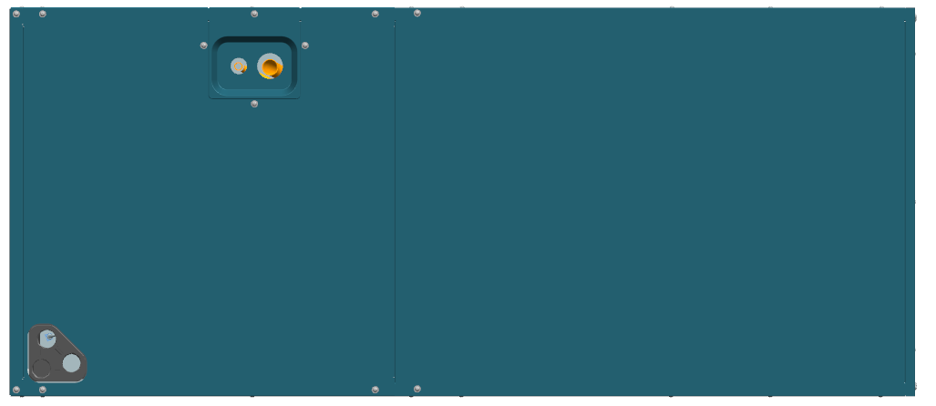
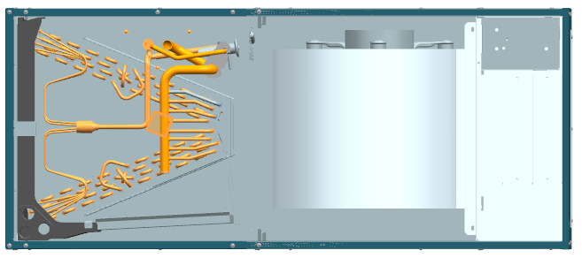

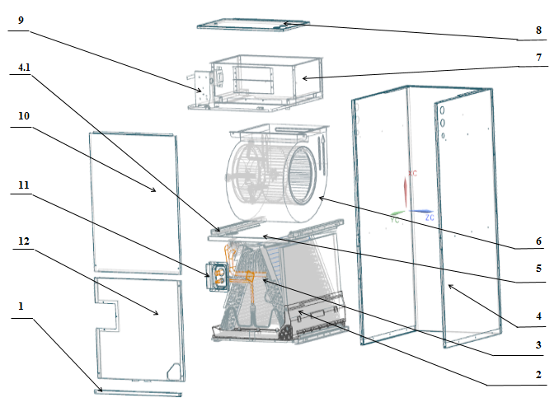

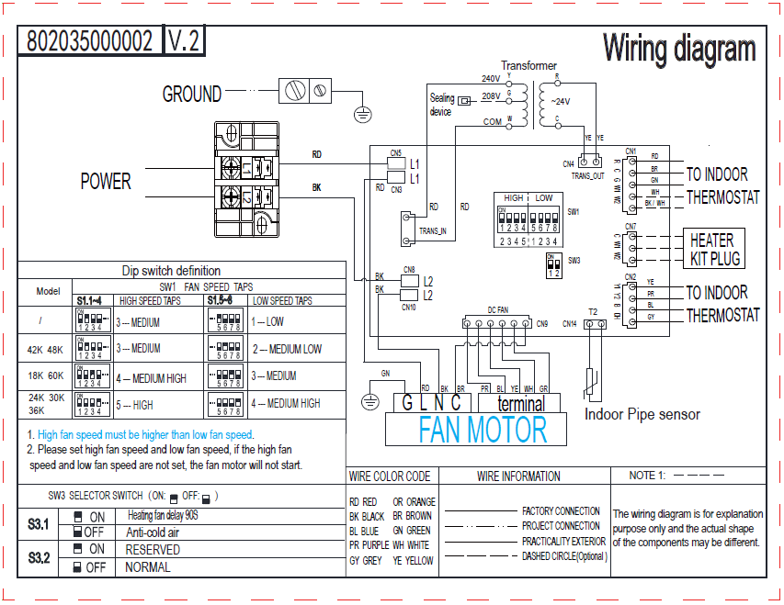

No. | Part Name | Quantity | Sale code | BOM code
1 | Filter Cover plate | 1 |  | 801233590166
2.1 | Water pan# 1 | 1 |  | 801134590002
2.2 | Water pan# 2 | 1 |  | 801234590101
2.3 | Water pan fixed block | 1 |  | 801234590091
2.4 | Water pan brace | 2 |  | 801234590103
3 | Evaporator parts | 1 |  | 801535000023
3.1 | Air header Assembly | 1 |  | 801634590017
3.3 | Evaporator | 2 |  | 801536000040
3.4 | Evaporator Baffle | 1 |  | 801234590094
3.5 | Evaporator Baffle | 1 |  | 801234590180
3.6 | Evaporator Water Baffle #1 | 2 |  | 801234590095
3.7 | Evaporator Water Baffle #2 | 1 |  | 801234590096
3.8 | Evaporator Water Baffle #3 | 1 |  | 801234590097
3.9 | Evaporator Fixing Plate #1 | 1 |  | 801234590098
3.10 | Evaporator Fixing Plate #2 | 1 |  | 801234590099
3.11 | Evaporator Junction Plate | 1 |  | 801234590113
3.12 | Diverter assembly with piston valve | 1 |  | 801635000063
4 | Water pan supporter assembly | 4 |  | 801233590165
5 | Supporter | 2 |  | 801234590090
6.1 | Right Volute Wind Wheel | 1 |  | 801200200040
6.2 | Indoor Motor | 1 |  | 802401700427
7 | Fan Motor Fixing plate assembly | 1 |  | 801235000004
7.1 | Fan Motor Fixing plate | 1 |  | 801239390092
7.2 | Wind Wheel Fixed Block | 2 |  | 801234590106
7.3 | Fixed plate on air duct | 1 |  | 801239390091
7.4 | Stator | 2 |  | 801239390036
7.5 | air duct left stationary plate | 1 |  | 801239390025
7.6 | air duct right stationary plate | 1 |  | 801239390026
8 | Cover of electric control assy | 1 |  | 801233590140
9 | ELectronic Control Components | 1 |  | 803335000006
9.1 | ELectronic Control Mounting Plate | 1 |  | 801234590202
9.2 | Main Board | 1 |  | 801343000003
10 | Upper side plate assembly | 1 |  | 801233590169
11 | Pipe Cover plate assembly | 1 |  | 801234590081
12 | Lower side plate assembly | 1 |  | 801233590138
13 | Transformer | 1 |  | 802311300001
14 | Temperature sensor | 1 |  | 802300400135

