36,000 BTU
Model BFC36B13R

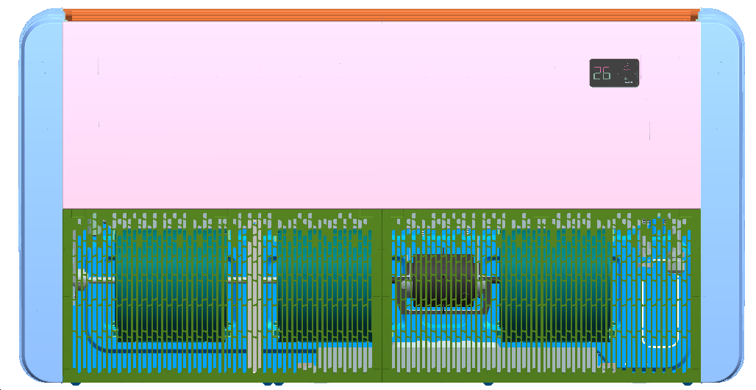
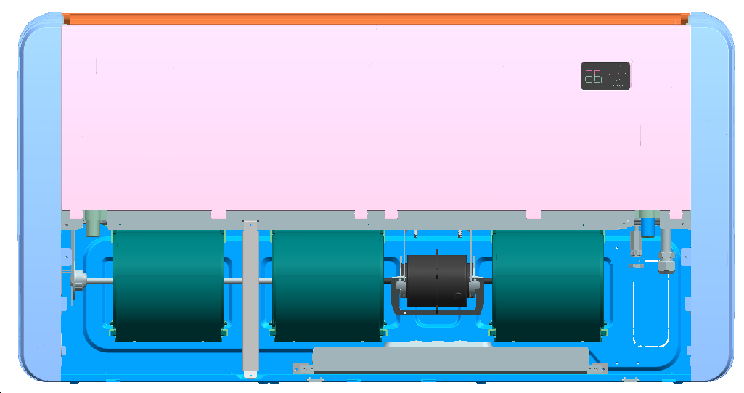

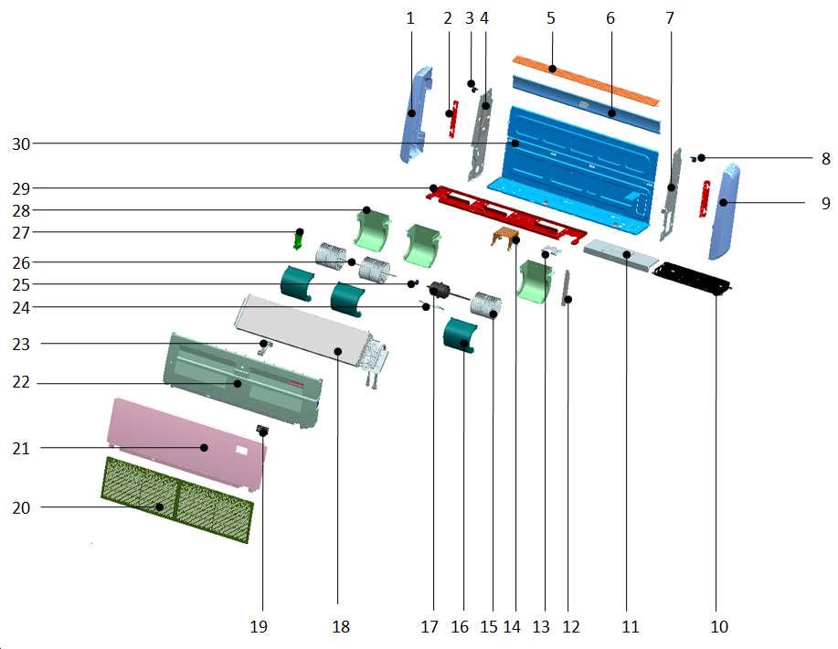

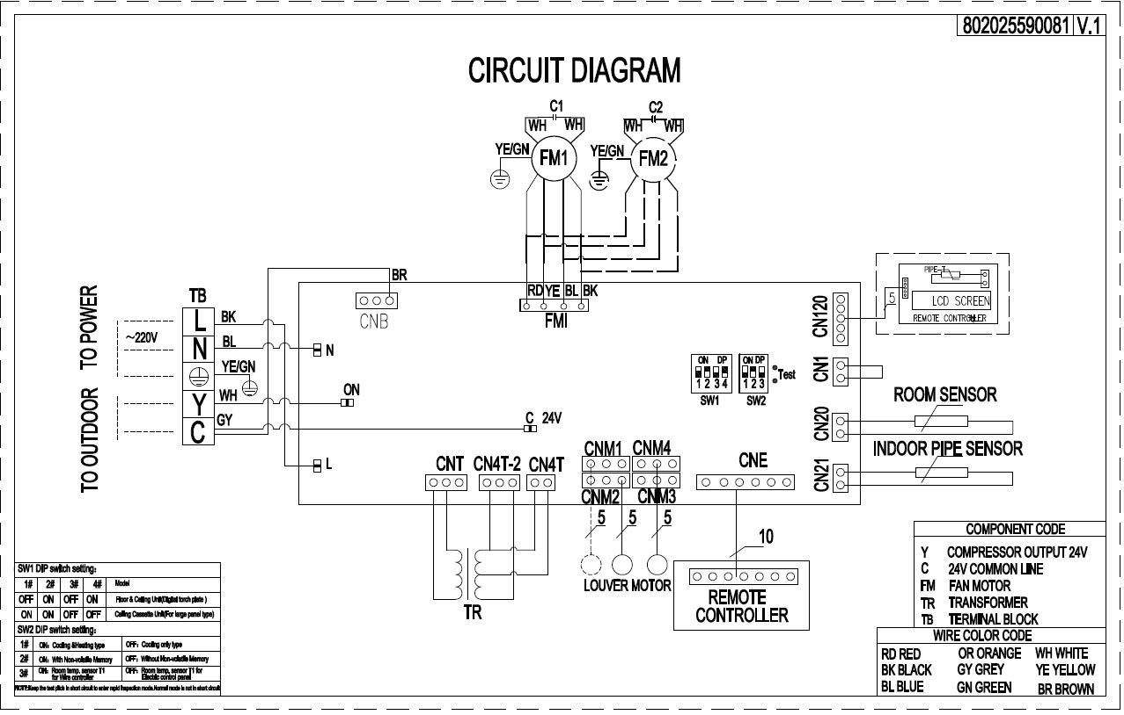

 | No. | Part Name | Quantity | BOM code
 | 1 | Left cover | 1 | 801125590056
 | 2 | Right mounting plate of evaporator | 2 | 801225590159
 | 3 | Horizontal step motor | 1 | 802425400003
 | 4 | Left side board assembly | 1 | 801225590155
 | 5 | Wind guide assembly | 1 | 801124390016
 | 6 | Rear cover with cotton | 1 | 801224390109
 | 7 | Right side board assembly | 1 | 801225590157
 | 8 | Horizontal step motor | 1 | 802400200020
 | 9 | Right cover | 1 | 801125590057
 | 10 | Indoor PCB assembly | 1 | 803324390010
 | 10.1 | Internal board assy | 1 | 803300300865
 | 10.2 | E-part box | 1 | 801223790040
 | 10.3 | Terminal | 1 | 802425000001
 | 10.4 | shorting stub | 1 | 802425590003
 | 10.5 | Blade fan capacitor | 1 | 802401100002
 | 10.6 | Buckle | 1 | 801102000033
 | 10.7 | Pipe tem. Sensor | 1 | 802300400135
 | 10.8 | room sensor | 1 | 802300400086
 | 11 | Electric box cover | 1 | 801225590014
 | 12 | Support bar | 1 | 801225590169
 | 13 | Pipe plate | 1 | 801225590168
 | 14 | Motor bracket | 1 | 801225590010
 | 15 | Centrifugal fan blade | 2 | 801125590036
 | 16 | Upper volute | 3 | 801125590045
 | 17 | Indoor fan motor | 1 | 802400400351
 | 18 | Evaporator assy | 1 | 801524390054
 | 18.1 | evaporator pre-welded assembly | 1 | 801524390055
 | 18.1.1 | Evaporator assembly | 1 | 801524390056
 | 18.1.2 | Evaporator output pipe assembly | 1 | 801624390052
 | 18.1.3 | Evaporator input pipe assembly | 1 | 801624390051
 | 19 | Display panel assembly | 1 | 803324390050
 | 19.1 | Display board mounting box | 1 | 801125590063
 | 20 | Air return & Filter assembly | 2 | 801124390018
 | 20.1 | Grille buckle | 4 | 801125590067
 | 20.2 | Grille screw cover | 6 | 801125590068
 | 21 | Top cover assy | 1 | 801224390116
 | 22 | water tray foam assembly | 1 | 802224390005
 | 23 | Wind guide bracket | 1 | 801125590066
 | 24 | Motor coaming | 1 | 801225590009
 | 25 | coupling | 1 | 801144090008
 | 26 | Connecting shaft | 1 | 802924390001
 | 27 | Motor support assembly | 1 | 801224390113
 | 28 | Lower volute | 3 | 801125590046
 | 29 | Middle beam welding assembly | 1 | 801224390111
 | 30 | Chassis assembly | 1 | 801224390107

60,000 BTU
Model BFC60B13R

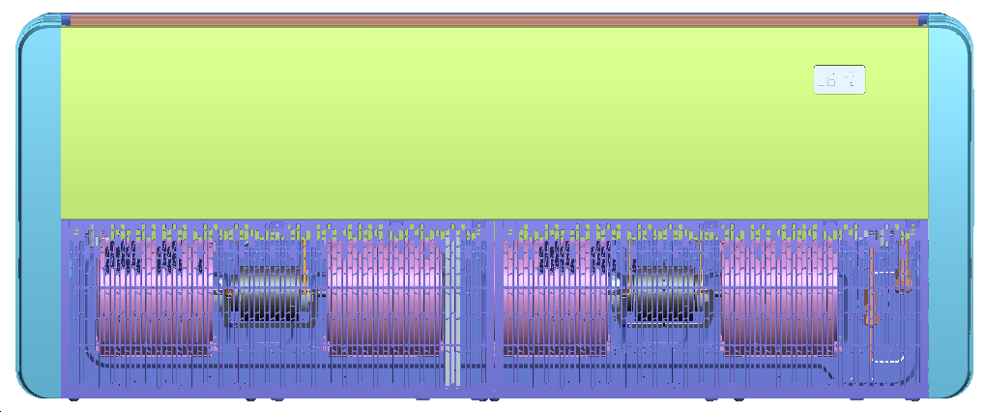
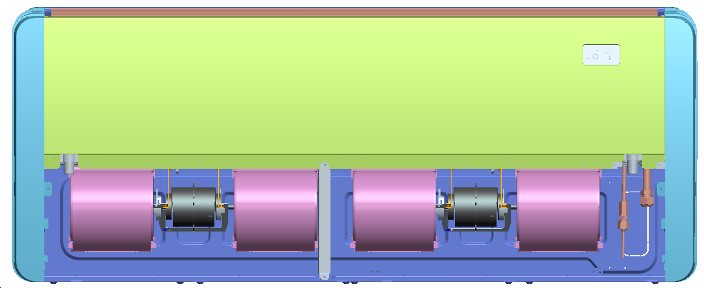

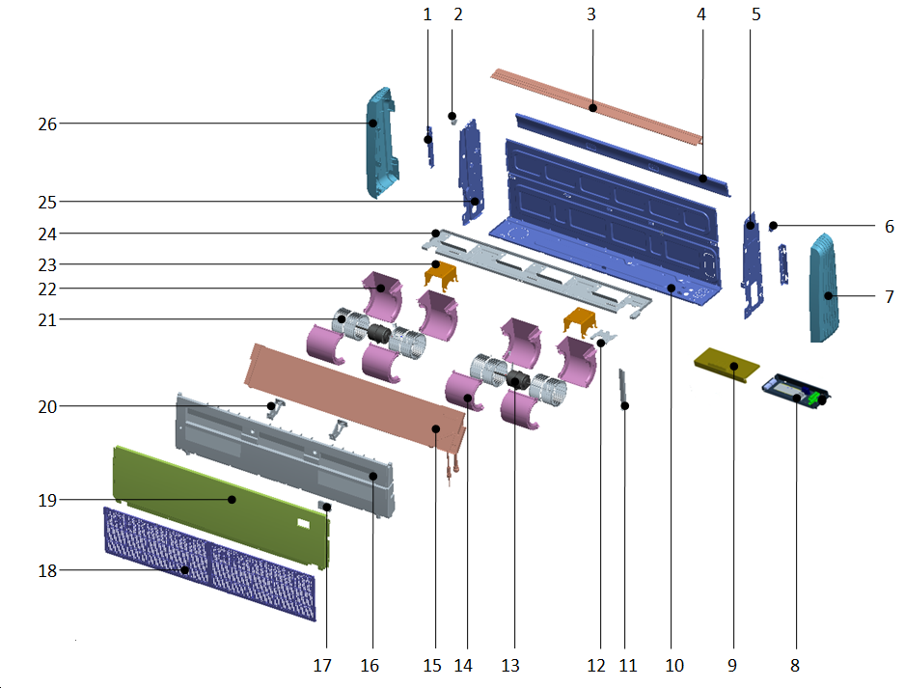

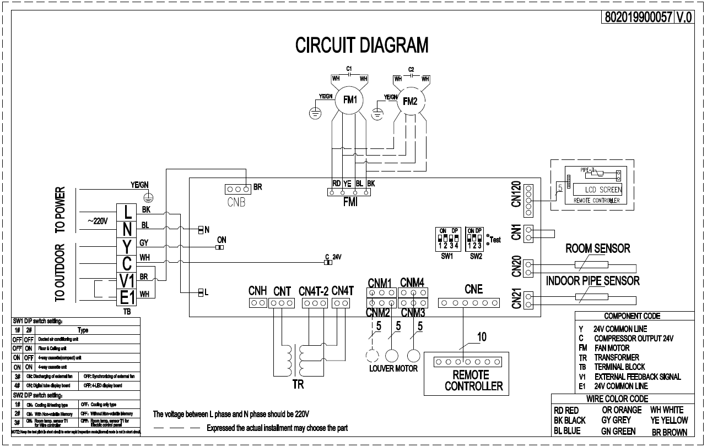

 | No. | Part Name | Quantity | BOM code
 | 1 | Right mounting plate of evaporator | 1 | 801225590159
 | 2 | Horizontal step motor | 1 | 802425400001
 | 3 | horizontal louver assembly | 1 | 801125590059
 | 4 | Rear cover with cotton | 1 | 801225590154
 | 5 | Right side panel assembly | 1 | 801225590157
 | 6 | Horizontal step motor | 1 | 802425400003
 | 7 | Right cover | 1 | 801125590057
 | 8 | Indoor PCB assembly | 1 | 803325190010
 | 8.1 | E-part box | 1 | 801223790040
 | 8.2 | Indoor PCB | 1 | 803300300865
 | 8.3 | Terminal | 1 | 802425590010
 | 8.4 | Insert fan capacitor | 2 | 802401100039
 | 8.5 | Pipe tem. Sensor | 1 | 802300400135
 | 8.6 | room sensor | 1 | 802300400086
 | 9 | Electric box cover | 1 | 801225590014
 | 10 | Chassis assembly | 1 | 801225590151
 | 11 | Support bar | 1 | 801225590169
 | 12 | Piping plate | 1 | 801225590168
 | 13 | Indoor fan motor | 2 | 802400400304
 | 14 | Upper volute | 4 | 801125590045
 | 15 | Evaporator components | 1 | 801525590070
 | 15.1 | Evaporator assembly | 1 | 801525590072
 | 15.2 | evaporator return air header assembly | 1 | 801625590076
 | 15.3 | evaporator split capillary assembly | 1 | 801625590081
 | 16 | Water tray component | 1 | 802223100001
 | 17 | Display panel assembly | 1 | 803324390050
 | 17.2 | Display mask | 1 | 802025590129
 | 17.3 | Display panel mounting box | 1 | 801125590063
 | 18 | Air return assembly | 2 | 801125590069
 | 18.1 | Air return | 2 | 801125590070
 | 18.2 | Dust filter | 2 | 801125590055
 | 18.3 | Grille buckle | 6 | 801125590067
 | 18.4 | Grill screw cover | 6 | 801125590068
 | 19 | Roof cover | 1 | 801225590166
 | 20 | Air guide bracket | 2 | 801125590066
 | 21 | Centrifugal wind wheel | 4 | 801125590036
 | 22 | Lower volute | 4 | 801125590046
 | 23 | Motor bracket | 2 | 801225590010
 | 24 | Intermediate beam welding assembly | 1 | 801225590161
 | 25 | Left side panel assembly | 1 | 801225590155
 | 26 | Left cover | 1 | 801125590056

