AHU 18k
Exploded View

 | Product: | 15 SEER Air Handler
 | Model: | BAH18B15S2T5
 | Power Supply: | 208/230V/1PH/60Hz

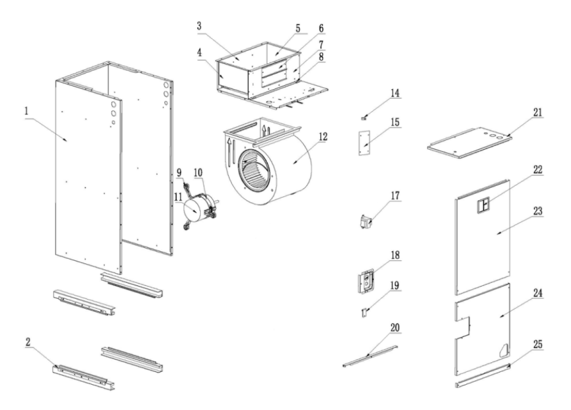
 |  |  | No. |  | Part Name | Quantity | BOM Code | Remark
 |  |  | 1 |  | Base pan cotton sticking assembly | 1 | 91043684 | The1.1、1.2、1.3 marked in red are supporting materials and need to be charged separately. You need to purchase the 1.1、1.2、1.3 together with the base pan cotton sticking assembly.
 |  |  |  | 1.1 | Chassis side plate thermal insulation cotton | 2 | 91043385
 |  |  |  | 1.2 | Chassis floor thermal insulation cotton | 1 | 91043384
 |  |  |  | 1.3 | Fiber cotton glue | 0.17kg | 91039758
 |  |  | 2 |  | Drain pan support plate cotton sticking assembly | 4 | 91043685
 |  |  | 3 |  | Wind wheel fixing plate | 1 | 91058442
 |  |  | 4 |  | Left side plate of air duct | 1 | 91043688
 |  |  | 5 |  | Right side plate of air duct | 1 | 91043689
 |  |  | 6 |  | Electric heater sealing plate | 2 | 91043691
 |  |  | 7 |  | Front side panel of air duct | 1 | 91043687
 |  |  | 8 |  | Wind wheel mounting block | 2 | 91043690
 |  |  | 9 |  | Motor fixing beam assembly | 3 | 91043693
 |  |  | 10 |  | Motor clamp | 1 | 91043692
 |  |  | 11 |  | Fan motor | 1 | 91073089
 |  |  | 12 |  | Wind wheel volute | 1 | 91038107
 |  |  | 13 |  | Evaporator preinstalled assembly (with drain pan) | 1 | 91078052
 |  |  |  | 13.1 | Evaporator prewelding assembly (without drain pan) | 1 | 91095220
 |  |  |  | 13.2 | Sheet metal drain pan cotton sticking assembly | 1 | 91043695
 |  |  |  | 13.3 | Connecting plate | 2 | 91043717
 |  |  |  | 13.4 | Plastic drain pan cotton sticking assembly | 1 | 91043694
 |  |  |  | 13.5 | Refrigerant leak detection sensor | 1 | 91095157
 |  |  | 14 |  | Brass terminal | 1 | 91043061
 |  |  | 15 |  | PCB | 1 | 91065004
 |  |  | 16 |  | Electric control mounting plate | 1 | 91043708
 |  |  | 17 |  | Transformer | 1 | 91041237
 |  |  | 18 |  | Piping cover cotton sticking assembly | 1 | 91043705
 |  |  | 19 |  | Drain pan fixing block | 1 | 91043711
 |  |  | 20 |  | Support bar | 2 | 91043709
 |  |  | 21 |  | Circuit breaker sealing plate | 1 | 91043707 | The21.1、21.2、21.3、21.4、21.5 marked in red are supporting materials and need to be charged separately. You need to purchase the21.1、21.2、21.3、21.4、21.5 together with the circuit breaker sealing plate.
 |  |  |  | 21.1 | Electric control box cover plate thermal insulation cotton | 1 | 91043386
 |  |  |  | 21.2 | Aluminum nail | 4 | 91046954
 |  |  |  | 21.3 | Aluminium nail cap | 4 | 91046955
13
13.1
13.3
13.2
13.4
13.5
 |  |  |  | 21.4 | Aluminum foil | 4 | 91050517
 |  |  |  | 21.5 | Fiber cotton glue | 0.17kg | 91039758
 |  |  | 22 |  | Circuit breaker sealing plate | 1 | 91044424
 |  |  | 23 |  | Upper side plate cotton sticking assembly | 1 | 91043706 | The23.1、23.2、23.3、23.4、23.5marked in red are supporting materials and need to be charged separately. You need to purchase the23.1、23.2、23.3、23.4、23.5 together with the upper side plate cotton sticking assembl.
 |  |  |  | 23.1 | Upper side plate thermal insulation foam | 1 | 91043387
 |  |  |  | 23.2 | Aluminum nail | 4 | 91046954
 |  |  |  | 23.3 | Aluminium nail cap | 4 | 91046955
 |  |  |  | 23.4 | Aluminum foil | 4 | 91050517
 |  |  |  | 23.5 | Fiber cotton glue | 0.17kg | 91039758
 |  |  | 24 |  | Lower side plate cotton sticking assembly | 1 | 91043704 | The24.1、24.2、24.3、24.4、24.5 marked in red are supporting materials and need to be charged separately. You need to purchase the24.1、24.2、24.3、24.4、 24.5 together with the lower side plate cotton sticking assembly.
 |  |  |  | 24.1 | Lower side panel thermal insulation foam | 1 | 91043388
 |  |  |  | 24.2 | Aluminum nail | 4 | 91046954
 |  |  |  | 24.3 | Aluminium nail cap | 4 | 91046955
 |  |  |  | 24.4 | Aluminum foil | 4 | 91050517
 |  |  |  | 24.5 | Fiber cotton glue | 0.17kg | 91039758
 |  |  | 25 |  | Filter cover | 1 | 91043710

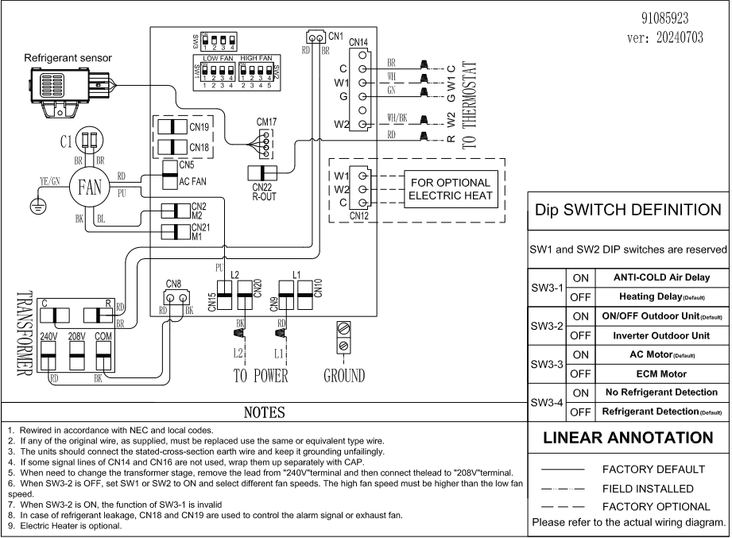

AHU 24k
Exploded View

 | Product: | 15 SEER Air Handler
 | Model: | BAH24B15S2T5
 | Power Supply: | 208/230V/1PH/60Hz

 |  |  | No. |  | Part Name | Quantity | BOM Code | Remark
 |  |  | 1 |  | Base pan cotton sticking assembly | 1 | 91043684 | The1.1、1.2、1.3 marked in red are supporting materials and need to be charged separately. You need to purchase the 1.1、1.2、1.3 together with the base pan cotton sticking assembly.
 |  |  |  | 1.1 | Chassis side plate thermal insulation cotton | 2 | $91,043,385.00
 |  |  |  | 1.2 | Chassis floor thermal insulation cotton | 1 | $91,043,384.00
 |  |  |  | 1.3 | Fiber cotton glue | 0.17kg | $91,039,758.00
 |  |  | 2 |  | Drain pan support plate cotton sticking assembly | 4 | 91043685
 |  |  | 3 |  | Wind wheel fixing plate | 1 | 91058442
 |  |  | 4 |  | Left side plate of air duct | 1 | 91043688
 |  |  | 5 |  | Right side plate of air duct | 1 | 91043689
 |  |  | 6 |  | Electric heater sealing plate | 2 | 91043691
 |  |  | 7 |  | Front side panel of air duct | 1 | 91043687
 |  |  | 8 |  | Wind wheel mounting block | 2 | 91043690
 |  |  | 9 |  | Motor fixing beam assembly | 3 | 91043693
 |  |  | 10 |  | Motor clamp | 1 | 91043692
 |  |  | 11 |  | Fan motor | 1 | 91073090
 |  |  | 12 |  | Wind wheel volute | 1 | 91038107
 |  |  | 13 |  | Evaporator preinstalled assembly (with drain pan) | 1 | 91078939
 |  |  |  | 13.1 | Evaporator prewelding assembly (without drain pan) | 1 | 91078947
 |  |  |  | 13.2 | Sheet metal drain pan cotton sticking assembly | 1 | 91043695
 |  |  |  | 13.3 | Connecting plate | 2 | 91043703
 |  |  |  | 13.4 | Plastic drain pan cotton sticking assembly | 1 | 91043694
 |  |  |  | 13.5 | Refrigerant leak detection sensor | 1 | 91095157
 |  |  | 14 |  | Brass binding post | 1 | 91043061
 |  |  | 15 |  | PCB | 1 | 91065004
 |  |  | 16 |  | Electric control mounting plate | 1 | 91043708
 |  |  | 17 |  | Transformer | 1 | 91041237
 |  |  | 18 |  | Piping cover cotton sticking assembly | 1 | 91043705
 |  |  | 19 |  | Drain pan fixing block | 1 | 91043711
 |  |  | 20 |  | Support bar | 2 | 91043709
 |  |  | 21 |  | Circuit breaker sealing plate | 1 | 91043707 | The21.1、21.2、21.3、21.4、21.5 marked in red are supporting materials and need to be charged separately. You need to purchase the21.1、21.2、21.3、21.4、21.5 together with the circuit breaker sealing plate.
 |  |  |  | 21.1 | Electric control box cover plate thermal insulation cotton | 1 | $91,043,386.00
 |  |  |  | 21.2 | Aluminum nail | 4 | $91,046,954.00
 |  |  |  | 21.3 | Aluminium nail cap | 4 | $91,046,955.00
13
13.1
13.3
13.2
13.4
13.5
 |  |  |  | 21.4 | Aluminum foil | 4 | $91,050,517.00
 |  |  |  | 21.5 | Fiber cotton glue | 0.17kg | $91,039,758.00
 |  |  | 22 |  | Circuit breaker sealing plate | 1 | 91044424
 |  |  | 23 |  | Upper side plate cotton sticking assembly | 1 | 91043706 | The23.1、23.2、23.3、23.4、23.5marked in red are supporting materials and need to be charged separately. You need to purchase the23.1、23.2、23.3、23.4、23.5 together with the upper side plate cotton sticking assembl.
 |  |  |  | 23.1 | Upper side plate thermal insulation foam | 1 | $91,043,387.00
 |  |  |  | 23.2 | Aluminum nail | 4 | $91,046,954.00
 |  |  |  | 23.3 | Aluminium nail cap | 4 | $91,046,955.00
 |  |  |  | 23.4 | Aluminum foil | 4 | $91,050,517.00
 |  |  |  | 23.5 | Fiber cotton glue | 0.17kg | $91,039,758.00
 |  |  | 24 |  | Lower side plate cotton sticking assembly | 1 | 91043704 | The24.1、24.2、24.3、24.4、24.5 marked in red are supporting materials and need to be charged separately. You need to purchase the24.1、24.2、24.3、24.4、 24.5 together with the lower side plate cotton sticking assembly.
 |  |  |  | 24.1 | Lower side panel thermal insulation foam | 1 | $91,043,388.00
 |  |  |  | 24.2 | Aluminum nail | 4 | $91,046,954.00
 |  |  |  | 24.3 | Aluminium nail cap | 4 | $91,046,955.00
 |  |  |  | 24.4 | Aluminum foil | 4 | $91,050,517.00
 |  |  |  | 24.5 | Fiber cotton glue | 0.17kg | $91,039,758.00
 |  |  | 25 |  | Filter cover | 1 | 91043710

AHU 30k
Exploded View

 | Product: | 15 SEER Air Handler
 | Model: | BAH30B15S2T5
 | Power Supply: | 208/230V/1PH/60Hz

 |  |  | No. |  | Part Name | Quantity | BOM Code | Remark
 |  |  | 1 |  | Base pan cotton sticking assembly | 1 | 91043684 | The1.1、1.2、1.3 marked in red are supporting materials and need to be charged separately. You need to purchase the 1.1、1.2、1.3 together with the base pan cotton sticking assembly.
 |  |  |  | 1.1 | Chassis side plate thermal insulation cotton | 2 | $91,043,385.00
 |  |  |  | 1.2 | Chassis floor thermal insulation cotton | 1 | $91,043,384.00
 |  |  |  | 1.3 | Fiber cotton glue | 0.17kg | $91,039,758.00
 |  |  | 2 |  | Drain pan support plate cotton sticking assembly | 4 | 91043685
 |  |  | 3 |  | Wind wheel fixing plate | 1 | 91058442
 |  |  | 4 |  | Left side plate of air duct | 1 | 91043688
 |  |  | 5 |  | Right side plate of air duct | 1 | 91043689
 |  |  | 6 |  | Electric heater sealing plate | 2 | 91043691
 |  |  | 7 |  | Front side panel of air duct | 1 | 91043687
 |  |  | 8 |  | Wind wheel mounting block | 2 | 91043690
 |  |  | 9 |  | Motor fixing beam assembly | 3 | 91043693
 |  |  | 10 |  | Motor clamp | 1 | 91043692
 |  |  | 11 |  | Fan motor | 1 | 91044855
 |  |  | 12 |  | Wind wheel volute | 1 | 91038107
 |  |  | 13 |  | Evaporator preinstalled assembly (with drain pan) | 1 | 91078940
 |  |  |  | 13.1 | Evaporator prewelding assembly (without drain pan) | 1 | 91078948
 |  |  |  | 13.2 | Sheet metal drain pan cotton sticking assembly | 1 | 91043695
 |  |  |  | 13.3 | Connecting plate | 2 | 91043703
 |  |  |  | 13.4 | Plastic drain pan cotton sticking assembly | 1 | 91043694
 |  |  |  | 13.5 | Refrigerant leak detection sensor | 1 | 91095157
 |  |  | 14 |  | Brass terminal | 1 | 91043061
 |  |  | 15 |  | PCB | 1 | 91065004
 |  |  | 16 |  | Electric control mounting plate | 1 | 91043708
 |  |  | 17 |  | Transformer | 1 | 91041237
 |  |  | 18 |  | Piping cover cotton sticking assembly | 1 | 91043705
 |  |  | 19 |  | Drain pan fixing block | 1 | 91043711
 |  |  | 20 |  | Support bar | 2 | 91043709
 |  |  | 21 |  | Circuit breaker sealing plate | 1 | 91043707 | The21.1、21.2、21.3、21.4、21.5 marked in red are supporting materials and need to be charged separately. You need to purchase the21.1、21.2、21.3、21.4、21.5 together with the circuit breaker sealing plate.
 |  |  |  | 21.1 | Electric control box cover plate thermal insulation cotton | 1 | $91,043,386.00
 |  |  |  | 21.2 | Aluminum nail | 4 | $91,046,954.00
 |  |  |  | 21.3 | Aluminium nail cap | 4 | $91,046,955.00
 |  |  |  | 21.4 | Aluminum foil | 4 | $91,050,517.00
 |  |  |  | 21.5 | Fiber cotton glue | 0.17kg | $91,039,758.00
 |  |  | 22 |  | Circuit breaker sealing plate | 1 | 91044424
13
13.1
13.3
13.2
13.4
13.5
 |  |  | 23 |  | Upper side plate cotton sticking assembly | 1 | 91043706 | The23.1、23.2、23.3、23.4、23.5marked in red are supporting materials and need to be charged separately. You need to purchase the23.1、23.2、23.3、23.4、23.5 together with the upper side plate cotton sticking assembl.
 |  |  |  | 23.1 | Upper side plate thermal insulation foam | 1 | $91,043,387.00
 |  |  |  | 23.2 | Aluminum nail | 4 | $91,046,954.00
 |  |  |  | 23.3 | Aluminium nail cap | 4 | $91,046,955.00
 |  |  |  | 23.4 | Aluminum foil | 4 | $91,050,517.00
 |  |  |  | 23.5 | Fiber cotton glue | 0.17kg | $91,039,758.00
 |  |  | 24 |  | Lower side plate cotton sticking assembly | 1 | 91043704 | The24.1、24.2、24.3、24.4、24.5 marked in red are supporting materials and need to be charged separately. You need to purchase the24.1、24.2、24.3、24.4、 24.5 together with the lower side plate cotton sticking assembly.
 |  |  |  | 24.1 | Lower side panel thermal insulation foam | 1 | $91,043,388.00
 |  |  |  | 24.2 | Aluminum nail | 4 | $91,046,954.00
 |  |  |  | 24.3 | Aluminium nail cap | 4 | $91,046,955.00
 |  |  |  | 24.4 | Aluminum foil | 4 | $91,050,517.00
 |  |  |  | 24.5 | Fiber cotton glue | 0.17kg | $91,039,758.00
 |  |  | 25 |  | Filter cover | 1 | 91043710

AHU 36k
Exploded View

 | Product: | 15 SEER Air Handler
 | Model: | BAH36B15S2T5
 | Power Supply: | 208/230V/1PH/60Hz

 |  |  | No. |  | Part Name | Quantity | BOM Code | Remark
 |  |  | 1 |  | Base pan cotton sticking assembly | 1 | 91043684 | The1.1、1.2、1.3 marked in red are supporting materials and need to be charged separately. You need to purchase the 1.1、1.2、1.3 together with the base pan cotton sticking assembly.
 |  |  |  | 1.1 | Chassis side plate thermal insulation cotton | 2 | $91,043,385.00
 |  |  |  | 1.2 | Chassis floor thermal insulation cotton | 1 | $91,043,384.00
 |  |  |  | 1.3 | Fiber cotton glue | 0.17kg | $91,039,758.00
 |  |  | 2 |  | Drain pan support plate cotton sticking assembly | 4 | 91043685
 |  |  | 3 |  | Wind wheel fixing plate | 1 | 91058442
 |  |  | 4 |  | Left side plate of air duct | 1 | 91043688
 |  |  | 5 |  | Right side plate of air duct | 1 | 91043689
 |  |  | 6 |  | Electric heater sealing plate | 2 | 91043691
 |  |  | 7 |  | Front side panel of air duct | 1 | 91043687
 |  |  | 8 |  | Wind wheel mounting block | 2 | 91043690
 |  |  | 9 |  | Motor fixing beam assembly | 3 | 91043693
 |  |  | 10 |  | Motor clamp | 1 | 91043692
 |  |  | 11 |  | Fan motor | 1 | 91044855
 |  |  | 12 |  | Wind wheel volute | 1 | 91038107
 |  |  | 13 |  | Evaporator preinstalled assembly (with drain pan) | 1 | 91078941
 |  |  |  | 13.1 | Evaporator prewelding assembly (without drain pan) | 1 | 91078949
 |  |  |  | 13.2 | Sheet metal drain pan cotton sticking assembly | 1 | 91043695
 |  |  |  | 13.3 | Connecting plate | 2 | 91043703
 |  |  |  | 13.4 | Plastic drain pan cotton sticking assembly | 1 | 91043694
 |  |  |  | 13.5 | Refrigerant leak detection sensor | 1 | 91095157
 |  |  | 14 |  | Brass binding post | 1 | 91043061
 |  |  | 15 |  | PCB | 1 | 91065004
 |  |  | 16 |  | Electric control mounting plate | 1 | 91043708
 |  |  | 17 |  | Transformer | 1 | 91041237
 |  |  | 18 |  | Piping cover cotton sticking assembly | 1 | 91043705
 |  |  | 19 |  | Drain pan fixing block | 1 | 91043711
 |  |  | 20 |  | Support bar | 2 | 91043709
 |  |  | 21 |  | Circuit breaker sealing plate | 1 | 91043707 | The21.1、21.2、21.3、21.4、21.5 marked in red are supporting materials and need to be charged separately. You need to purchase the21.1、21.2、21.3、21.4、21.5 together with the circuit breaker sealing plate.
 |  |  |  | 21.1 | Electric control box cover plate thermal insulation cotton | 1 | $91,043,386.00
 |  |  |  | 21.2 | Aluminum nail | 4 | $91,046,954.00
 |  |  |  | 21.3 | Aluminium nail cap | 4 | $91,046,955.00
13
13.1
13.3
13.2
13.4
13.5
 |  |  |  | 21.4 | Aluminum foil | 4 | $91,050,517.00
 |  |  |  | 21.5 | Fiber cotton glue | 0.17kg | $91,039,758.00
 |  |  | 22 |  | Circuit breaker sealing plate | 1 | 91044424
 |  |  | 23 |  | Upper side plate cotton sticking assembly | 1 | 91043706 | The23.1、23.2、23.3、23.4、23.5marked in red are supporting materials and need to be charged separately. You need to purchase the23.1、23.2、23.3、23.4、23.5 together with the upper side plate cotton sticking assembl.
 |  |  |  | 23.1 | Upper side plate thermal insulation foam | 1 | $91,043,387.00
 |  |  |  | 23.2 | Aluminum nail | 4 | $91,046,954.00
 |  |  |  | 23.3 | Aluminium nail cap | 4 | $91,046,955.00
 |  |  |  | 23.4 | Aluminum foil | 4 | $91,050,517.00
 |  |  |  | 23.5 | Fiber cotton glue | 0.17kg | $91,039,758.00
 |  |  | 24 |  | Lower side plate cotton sticking assembly | 1 | 91043704 | The24.1、24.2、24.3、24.4、24.5 marked in red are supporting materials and need to be charged separately. You need to purchase the24.1、24.2、24.3、24.4、 24.5 together with the lower side plate cotton sticking assembly.
 |  |  |  | 24.1 | Lower side panel thermal insulation foam | 1 | $91,043,388.00
 |  |  |  | 24.2 | Aluminum nail | 4 | $91,046,954.00
 |  |  |  | 24.3 | Aluminium nail cap | 4 | $91,046,955.00
 |  |  |  | 24.4 | Aluminum foil | 4 | $91,050,517.00
 |  |  |  | 24.5 | Fiber cotton glue | 0.17kg | $91,039,758.00
 |  |  | 25 |  | Filter cover | 1 | 91043710

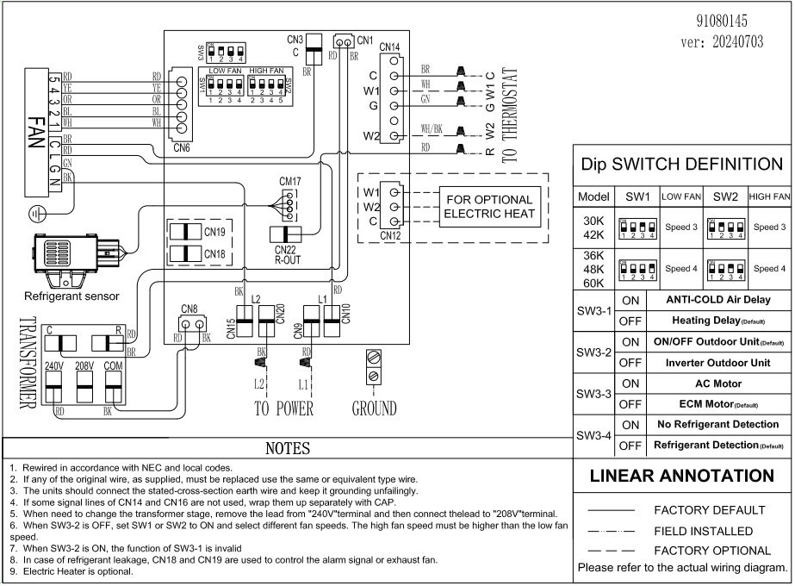

AHU 42k
Exploded View

 | Product: | 15 SEER Air Handler
 | Model: | BAH42B15S2T5
 | Power Supply: | 208/230V/1PH/60Hz

 |  |  | No. |  | Part Name | Quantity | BOM Code | Remark
 |  |  | 1 |  | Base pan cotton sticking assembly | $1.00 | 91043684 | The1.1、1.2、1.3 marked in red are supporting materials and need to be charged separately. You need to purchase the 1.1、1.2、1.3 together with the base pan cotton sticking assembly.
 |  |  |  | $1.10 | Chassis side plate thermal insulation cotton | $2.00 | $91,043,385.00
 |  |  |  | $1.20 | Chassis floor thermal insulation cotton | $1.00 | $91,043,384.00
 |  |  |  | $1.30 | Fiber cotton glue | 0.17kg | $91,039,758.00
 |  |  | 2 |  | Drain pan support plate cotton sticking assembly | $4.00 | 91043685
 |  |  | 3 |  | Wind wheel fixing plate | $1.00 | 91058442
 |  |  | 4 |  | Left side plate of air duct | $1.00 | 91043688
 |  |  | 5 |  | Right side plate of air duct | $1.00 | 91043689
 |  |  | 6 |  | Electric heater sealing plate | $2.00 | 91043691
 |  |  | 7 |  | Front side panel of air duct | $1.00 | 91043687
 |  |  | 8 |  | Wind wheel mounting block | $2.00 | 91043690
 |  |  | 9 |  | Motor fixing beam assembly | $3.00 | 91043693
 |  |  | 10 |  | Motor clamp | $1.00 | 91043692
 |  |  | 11 |  | Fan motor | $1.00 | 91044857
 |  |  | 12 |  | Wind wheel volute | $1.00 | 91038107
 |  |  | 13 |  | Evaporator preinstalled assembly (with drain pan) | $1.00 | 91078942
...
 |  |  | 14 |  | Brass binding post | $1.00
 |  |  | 15 |  | PCB | $1.00
 |  |  | 16 |  | Electric control mounting plate | $1.00
 |  |  | 17 |  | Transformer | $1.00
 |  |  | 18 |  | Piping cover cotton sticking assembly | $1.00
 |  |  | 19 |  | Drain pan fixing block | $1.00
 |  |  | 20 |  | Support bar | $2.00
 |  |  | 21 |  | Circuit breaker sealing plate | $1.00
 |  |  |  | $21.10 | Electric control box cover plate thermal insulation cotton | $1.00
 |  |  |  | $21.20 | Aluminum nail | $4.00
13
13.1
13.3
13.2
13.4
13.5
 |  |  |  | $21.30 | Aluminium nail cap | $4.00
 |  |  |  | $21.40 | Aluminum foil | $4.00
 |  |  |  | $21.50 | Fiber cotton glue | 0.17kg
 |  |  | 22 |  | Circuit breaker sealing plate | $1.00
 |  |  | 23 |  | Upper side plate cotton sticking assembly | $1.00
 |  |  |  | $23.10 | Upper side plate thermal insulation foam | $1.00
 |  |  |  | $23.20 | Aluminum nail | $4.00
 |  |  |  | $23.30 | Aluminium nail cap | $4.00
 |  |  |  | $23.40 | Aluminum foil | $4.00
 |  |  |  | $23.50 | Fiber cotton glue | 0.17kg
 |  |  | 24 |  | Lower side plate cotton sticking assembly | $1.00
 |  |  |  | $24.10 | Lower side panel thermal insulation foam | $1.00
 |  |  |  | $24.20 | Aluminum nail | $4.00
 |  |  |  | $24.30 | Aluminium nail cap | $4.00
 |  |  |  | $24.40 | Aluminum foil | $4.00
 |  |  |  | $24.50 | Fiber cotton glue | 0.17kg
 |  |  | 25 |  | Filter cover | $1.00

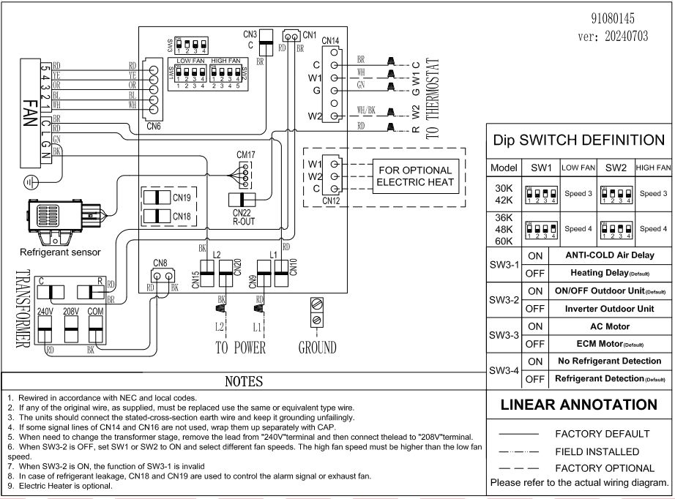

AHU 48k
...
No. |  | Part Name | Quantity | BOM Code
19 |  | Drain pan fixing block | 1 | $91,043,711.00
20 |  | Support bar | 2 | $91,047,299.00
21 |  | Circuit breaker sealing plate | 1 | $91,047,298.00
 | 21 | Electric control box cover plate thermal insulation cotton | $1.00 | 91043391
 | 21 | Aluminum nail | $4.00 | 91046954
 | 21 | Aluminium nail cap | $4.00 | 91046955
 | 21 | Aluminum foil | $4.00 | 91050517
 | 22 | Fiber cotton glue | 0.22kg | 91039758
22 |  | Circuit breaker sealing plate | 1 | $91,044,424.00
23 |  | Upper side plate cotton sticking assembly | 1 | $91,047,297.00
13
13.1
13.3
13.2
13.4
13.5
 | 23 | Upper side plate thermal insulation foam | $1.00 | 91043392
 | 23 | Aluminum nail | $4.00 | 91046954
 | 23 | Aluminium nail cap | $4.00 | 91046955
 | 23 | Aluminum foil | $4.00 | 91050517
 | 24 | Fiber cotton glue | 0.22kg | 91039758
24 |  | Lower side plate cotton sticking assembly | 1 | $91,047,296.00
 | 24 | Lower side panel thermal insulation foam | $1.00 | 91043393
 | 24 | Aluminum nail | $4.00 | 91046954
 | 24 | Aluminium nail cap | $4.00 | 91046955
 | 24 | Aluminum foil | $4.00 | 91050517
 | 25 | Fiber cotton glue | 0.22kg | 91039758
25 |  | Filter cover | 1 | $91,047,300.00

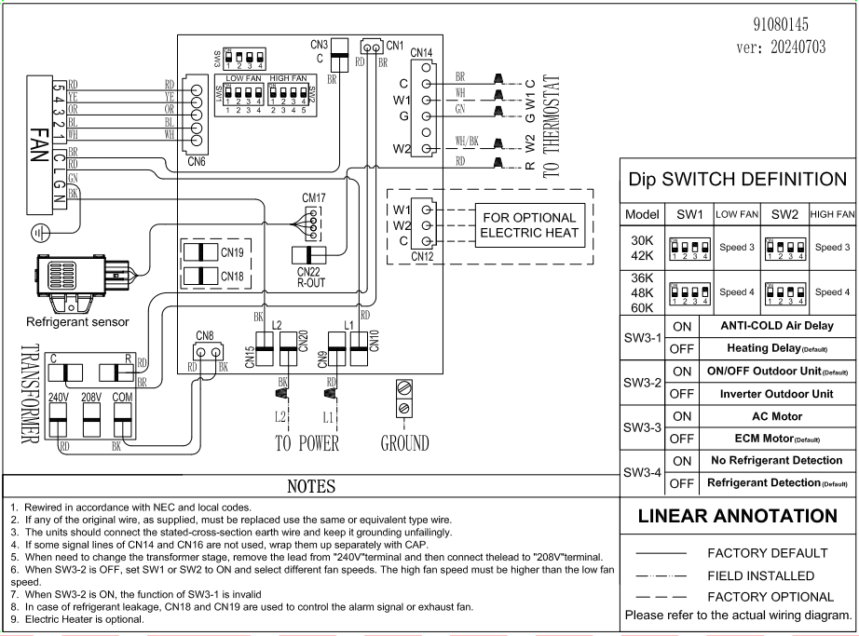

AHU 60k
...
No. |  | Part Name | Quantity | BOM Code
17 |  | Transformer | 1 | 91041237
18 |  | Piping cover cotton sticking assembly | 1 | 91043705
19 |  | Drain pan fixing block | 1 | 91043711
20 |  | Support bar | 2 | 91047299
21 |  | Circuit breaker sealing plate | 1 | 91047298
 | 21.1 | Electric control box cover plate thermal insulation cotton | 1 | $91,043,391.00
 | 21.2 | Aluminum nail | 4 | $91,046,954.00
 | 21.3 | Aluminium nail cap | 4 | $91,046,955.00
 | 21.4 | Aluminum foil | 4 | $91,050,517.00
 | 21.5 | Fiber cotton glue | 0.22kg | $91,039,758.00
13
13.1
13.3
13.2
13.4
13.5
22 |  | Circuit breaker sealing plate | 1 | 91044424
23 |  | Upper side plate cotton sticking assembly | 1 | 91047297
 | 23.1 | Upper side plate thermal insulation foam | 1 | $91,043,392.00
 | 23.2 | Aluminum nail | 4 | $91,046,954.00
 | 23.3 | Aluminium nail cap | 4 | $91,046,955.00
 | 23.4 | Aluminum foil | 4 | $91,050,517.00
 | 23.5 | Fiber cotton glue | 0.22kg | $91,039,758.00
24 |  | Lower side plate cotton sticking assembly | 1 | 91047296
 | 24.1 | Lower side panel thermal insulation foam | 1 | $91,043,393.00
 | 24.2 | Aluminum nail | 4 | $91,046,954.00
 | 24.3 | Aluminium nail cap | 4 | $91,046,955.00
 | 24.4 | Aluminum foil | 4 | $91,050,517.00
 | 24.5 | Fiber cotton glue | 0.22kg | $91,039,758.00
$25.00 |  | Filter cover | $1.00 | 91047300

