FAHU 18K
Exploded View

 | Product: | Front Return Air Handler
 | Model: | BFR18B15S2T5
 | Power Supply: | 208/230V/1PH/60Hz

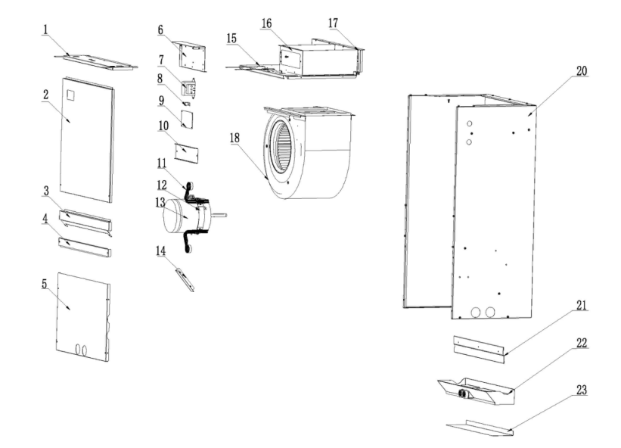
 |  |  | No. |  |  | Part Name | Quantity | BOM Code | Remark
 |  |  | 1 |  |  | Electric control cover cotton sticking assembly | 1 | 91044875 | The 1.1,1.2，1.3,1.4 marked in red are supporting materials and need to be charged separately. You need to purchase the 1.1,1.2，1.3,1.4 together with the electric control cover cotton sticking assembly.
 |  |  |  | 1.1 |  | Electric control box cover plate thermal insulation cotton | 1 | 91043396
 |  |  |  | 1.2 |  | Aluminium nail | 2 | 91046954
 |  |  |  | 1.3 |  | Aluminium nail cap | 2 | 91046955
 |  |  |  | 1.4 |  | Fiber cotton glue | 0.17kg | 91039758
 |  |  | 2 |  |  | Upper side plate cotton sticking assembly | 1 | 91044876 | The 2.1,2.2，2.3,2.4 marked in red are supporting materials and need to be charged separately. You need to purchase the 2.1,2.2，2.3,2.4 together with the upper side plate cotton sticking assembly.
 |  |  |  | 2.1 |  | Upper side plate thermal insulation foam | 1 | 91043397
 |  |  |  | 2.2 |  | Aluminium nail | 4 | 91046954
 |  |  |  | 2.3 |  | Aluminium nail cap | 4 | 91046955
 |  |  |  | 2.4 |  | Fiber cotton glue | 0.17kg | 91039758
 |  |  | 3 |  |  | Sealing plate cotton sticking assembly | 1 | 91044877
 |  |  | 4 |  |  | Lower reinforcement plate | 1 | 91044878
 |  |  | 5 |  |  | Lower side plate cotton sticking assembly | 1 | 91087965
 |  |  | 6 |  |  | Electric control mounting plate | 1 | 91044880
 |  |  | 7 |  |  | Transformer | 1 | 91041237
 |  |  | 8 |  |  | Brass binding post | 1 | 91043061
 |  |  | 9 |  |  | PCB | 1 | 91065004
 |  |  | 10 |  |  | Electric heater sealing plate | 1 | 91043691
 |  |  | 11 |  |  | Motor fixing beam assembly | 1 | 91044868
 |  |  | 12 |  |  | Fan motor clamp | 1 | 91043692
 |  |  | 13 |  |  | Fan motor | 1 | 91047069
 |  |  | 14 |  |  | Limit plate | 1 | 91044870
 |  |  | 15 |  |  | Volute fixing plate cotton sticking assembly | 1 | 91044866
 |  |  | 16 |  |  | Air duct plate | 1 | 91044867
 |  |  | 17 |  |  | Rear side plate of air duct | 1 | 91044865
19
19.1
19.8
19.3
19.4
19.5
19.7
19.6
19.5
19.2
 |  |  | 18 |  |  | Wind wheel volute | 1 | 91038109
 |  |  | 19 |  |  | Evaporator preinstalled assembly | 1 | 91095235
 |  |  |  | 19.1 |  | Evaporator welding assembly | 1 | 91095236
 |  |  |  |  | 19.1.1 | Evaporator gas collecting tube assembly | 1 | 91044758
 |  |  |  |  | 19.1.2 | Evaporator shunt tube assembly | 1 | 91048222
 |  |  |  | 19.2 |  | Evaporator left connection plate cotton sticking assembly | 1 | 91095198
 |  |  |  | 19.3 |  | Filter right rail welded assembly | 1 | 91095094
 |  |  |  | 19.4 |  | Evaporator right connection plate cotton sticking assembly | 1 | 91095218
 |  |  |  | 19.5 |  | Drain pan fixing block | 2 | 91087582
 |  |  |  | 19.6 |  | Refrigerant leak sensor | 1 | 91095157
 |  |  |  | 19.7 |  | Refrigerant leak sensor fixing plate | 1 | 91087053
 |  |  |  | 19.8 |  | Rubber fixing block | 1 | 91044998
 |  |  |  | 19.9 |  | Buckle type bushing | 1 | 91039666
 |  |  | 20 |  |  | Base pan cotton sticking assembly | 1 | 91044864 | The 20.1,20.2,20.3 marked in red are supporting materials and need to be charged separately. You need to purchase the 20.1,20.2,20.3 together with the base pan cotton sticking assembly.
 |  |  |  | 20.1 |  | Chassis side plate thermal insulation cotton | 2 | 91043395
 |  |  |  | 20.2 |  | Chassis floor thermal insulation cotton | 1 | 91043394
 |  |  |  | 20.3 |  | Fiber cotton glue | 0.17kg | 91039758
 |  |  | 21 |  |  | Rear mounting plate | 2 | 91044881
 |  |  | 22 |  |  | Plastic drain pan cotton sticking assembly | 1 | 91044421
 |  |  | 23 |  |  | Drain pan support plate | 1 | 91044869

19.9

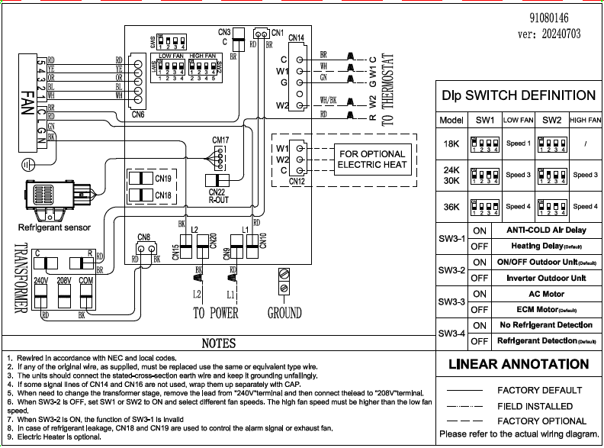

FAHU 24K
Exploded View

 | Product: | Front Return Air Handler
 | Model: | BFR24B15S2T5
 | Power Supply: | 208/230V/1PH/60Hz

 |  |  | No. |  | Part Name | Quantity | BOM Code | Unit Price (USD) | Remark
 |  |  | 1 |  | Electric control cover cotton sticking assembly | 1 | 91044875 | $12.84 | The 1.1,1.2，1.3,1.4 marked in red are supporting materials and need to be charged separately. You need to purchase the 1.1,1.2，1.3,1.4 together with the electric control cover cotton sticking assembly.
 |  |  |  | 1.1 | Electric control box cover plate thermal insulation cotton | 1 | 91043396 | $1.11
 |  |  |  | 1.2 | Aluminium nail | 2 | 91046954 | $0.12
 |  |  |  | 1.3 | Aluminium nail cap | 2 | 91046955 | $0.12
 |  |  |  | 1.4 | Fiber cotton glue | 0.17kg | 91039758 | $9.14
 |  |  | 2 |  | Upper side plate cotton sticking assembly | 1 | 91044876 | $7.28 | The 2.1,2.2，2.3,2.4 marked in red are supporting materials and need to be charged separately. You need to purchase the 2.1,2.2，2.3,2.4 together with the upper side plate cotton sticking assembly.
 |  |  |  | 2.1 | Upper side plate thermal insulation foam | 1 | 91043397 | $7.35
 |  |  |  | 2.2 | Aluminium nail | 4 | 91046954 | $0.12
 |  |  |  | 2.3 | Aluminium nail cap | 4 | 91046955 | $0.12
 |  |  |  | 2.4 | Fiber cotton glue | 0.17kg | 91039758 | $9.14
 |  |  | 3 |  | Sealing plate cotton sticking assembly | 1 | 91044877 | $7.96
 |  |  | 4 |  | Lower reinforcement plate | 1 | 91044878 | $2.98
 |  |  | 5 |  | Lower side plate cotton sticking assembly | 1 | 91087965 | $5.53
 |  |  | 6 |  | Electric control mounting plate | 1 | 91044880 | $4.15
 |  |  | 7 |  | Transformer | 1 | 91041237 | $11.87
 |  |  | 8 |  | Brass binding post | 1 | 91043061 | $3.97
 |  |  | 9 |  | PCB | 1 | 91065004 | $14.43
 |  |  | 10 |  | Electric heater sealing plate | 1 | 91043691 | $1.54
 |  |  | 11 |  | Motor fixing beam assembly | 1 | 91044868 | $4.55
 |  |  | 12 |  | Fan motor clamp | 1 | 91043692 | $2.83
 |  |  | 13 |  | Fan motor | 1 | 91047069 | $139.13
 |  |  | 14 |  | Limit plate | 1 | 91044870 | $1.24
 |  |  | 15 |  | Volute fixing plate cotton sticking assembly | 1 | 91044866 | $5.26
 |  |  | 16 |  | Air duct plate | 1 | 91044867 | $9.05
 |  |  | 17 |  | Rear side plate of air duct | 1 | 91044865 | $5.90
19
19.1
19.8
19.3
19.4
19.5
19.7
19.6
19.5
19.2
 |  |  | 18 |  | Wind wheel volute | 1 | 91038109 | $30.79
 |  |  | 19 |  | Evaporator preinstalled assembly | 1 | 91078936 | $134.52
 |  |  |  | 19.1 | Evaporator welding assembly | 1 | 91078944 | $115.63
 |  |  |  | 19.1.1 | Evaporator gas collecting tube assembly | 1 | 91044758 | $14.18
 |  |  |  | 19.1.2 | Evaporator shunt tube assembly | 1 | 91079004 | $20.12
 |  |  |  | 19.2 | Evaporator left connection plate cotton sticking assembly | 1 | 91095198 | $4.57
 |  |  |  | 19.3 | Filter right rail welded assembly | 1 | 91095094 | $3.87
 |  |  |  | 19.4 | Evaporator right connection plate cotton sticking assembly | 1 | 91095218 | $3.78
 |  |  |  | 19.5 | Drain pan fixing block | 2 | 91087582 | $1.11
 |  |  |  | 19.6 | Refrigerant leak sensor | 1 | 91095157 | $35.51
 |  |  |  | 19.7 | Refrigerant leak sensor fixing plate | 1 | 91087053 | $2.28
 |  |  |  | 19.8 | Rubber fixing block | 1 | 91044998 | $0.42
 |  |  |  | 19.9 | Buckle type bushing | 1 | 91039666 | $0.49
 |  |  | 20 |  | Base pan cotton sticking assembly | 1 | 91044864 | $36.05 | The 20.1,20.2,20.3 marked in red are supporting materials and need to be charged separately. You need to purchase the 20.1,20.2,20.3 together with the base pan cotton sticking assembly.
 |  |  |  | 20.1 | Chassis side plate thermal insulation cotton | 2 | 91043395 | $10.37
 |  |  |  | 20.2 | Chassis floor thermal insulation cotton | 1 | 91043394 | $12.63
 |  |  |  | 20.3 | Fiber cotton glue | 0.17kg | 91039758 | $9.14
 |  |  | 21 |  | Rear mounting plate | 2 | 91044881 | $5.14
 |  |  | 22 |  | Plastic drain pan cotton sticking assembly | 1 | 91044421 | $6.85
 |  |  | 23 |  | Drain pan support plate | 1 | 91044869 | $4.22

19.9

FAHU 30K
Exploded View

 | Product: | Front Return Air Handler
 | Model: | BFR30B15S2T5
 | Power Supply: | 208/230V/1PH/60Hz

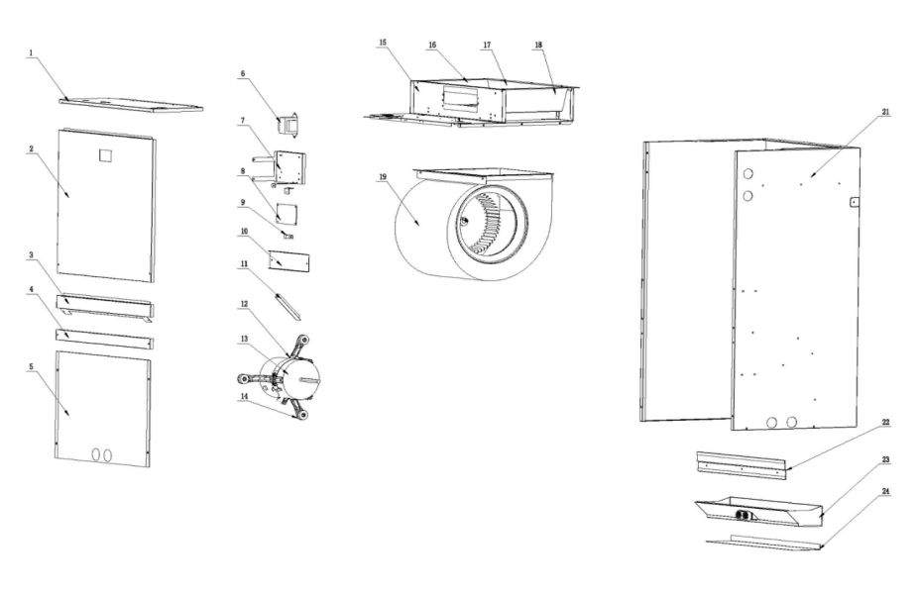
 |  |  | No. |  |  | Part Name | Quantity | BOM Code | Remark
 |  |  | 1 |  |  | Electric control cover cotton sticking assembly | 1 | 91044991 | The 1.1,1.2，1.3,1.4 marked in red are supporting materials and need to be charged separately. You need to purchase the 1.1,1.2，1.3,1.4 together with the electric control cover cotton sticking assembly.
 |  |  |  | 1.1 |  | Electric control box cover plate thermal insulation cotton | 1 | 91043401
 |  |  |  | 1.2 |  | Aluminium nail | 2 | 91046954
 |  |  |  | 1.3 |  | Aluminium nail cap | 2 | 91046955
 |  |  |  | 1.4 |  | Fiber cotton glue | 0.17kg | 91039758
 |  |  | 2 |  |  | Upper side plate cotton sticking assembly | 1 | 91044992 | The 2.1,2.2，2.3,2.4 marked in red are supporting materials and need to be charged separately. You need to purchase the 2.1,2.2，2.3,2.4 together with the upper side plate cotton sticking assembly.
 |  |  |  | 2.1 |  | Upper side plate thermal insulation foam | 1 | 91043402
 |  |  |  | 2.2 |  | Aluminium nail | 4 | 91046954
 |  |  |  | 2.3 |  | Aluminium nail cap | 4 | 91046955
 |  |  |  | 2.4 |  | Fiber cotton glue | 0.17kg | 91039758
 |  |  | 3 |  |  | Sealing plate cotton sticking assembly | 1 | 91044993
 |  |  | 4 |  |  | Lower reinforcement plate | 1 | 91044994
 |  |  | 5 |  |  | Lower side plate cotton sticking assembly | 3 | 91087962
 |  |  | 6 |  |  | Transformer | 1 | 91041237
 |  |  | 7 |  |  | Electric control mounting plate | 1 | 91044999
 |  |  | 8 |  |  | PCB | 1 | 91065004
 |  |  | 9 |  |  | Brass binding post | 1 | 91043061
 |  |  | 10 |  |  | Electric heater sealing plate | 1 | 91043691
 |  |  | 11 |  |  | Limit plate | 1 | 91044870
 |  |  | 12 |  |  | Fan motor clamp | 1 | 91043692
 |  |  | 13 |  |  | Fan motor | 1 | 91044855
 |  |  | 14 |  |  | Motor fixing beam assembly | 1 | 91043693
 |  |  | 15 |  |  | Air duct front side plate | 1 | 91044986
20
20.5
20.2
20.1
20.3
20.4
20.5
20.7
20.6
20.9
20.8
 |  |  | 16 |  |  | Air duct left side plate | 1 | 91044984
 |  |  | 17 |  |  | Volute fixing plate | 1 | 91044983
 |  |  | 18 |  |  | Air duct right side plate | 1 | 91044985
 |  |  | 19 |  |  | Wind wheel volute | 1 | 91038108
 |  |  | 20 |  |  | Evaporator preinstalled assembly | 1 | 91078937
 |  |  |  | 20.1 |  | Evaporator welding assembly | 1 | 91078945
 |  |  |  |  | 20.1.1 | Evaporator gas collecting tube assembly | 1 | 91044762
 |  |  |  |  | 20.1.2 | Evaporator shunt tube assembly | 1 | 91079005
 |  |  |  | 20.2 |  | Evaporator left connection plate cotton sticking assembly | 1 | 91095197
 |  |  |  | 20.3 |  | Filter right rail welded assembly | 1 | 91095093
 |  |  |  | 20.4 |  | Evaporator right connection plate cotton sticking assembly | 1 | 91095217
 |  |  |  | 20.5 |  | Drain pan fixing block | 2 | 91087582
 |  |  |  | 20.6 |  | Refrigerant leak sensor | 1 | 91087053
 |  |  |  | 20.7 |  | Refrigerant leak sensor fixing plate | 1 | 91095157
 |  |  |  | 20.8 |  | Rubber fixing block | 1 | 91044998
 |  |  |  | 20.9 |  | Buckle type bushing | 1 | 91039666
 |  |  | 21 |  |  | Base pan cotton sticking assembly | 1 | 91044982 | The 20.1,20.2,20.3 marked in red are supporting materials and need to be charged separately. You need to purchase the 20.1,20.2,20.3 together with the base pan cotton sticking assembly.
 |  |  |  | 20.1 |  | Chassis side plate thermal insulation cotton | 2 | 91043400
 |  |  |  | 20.2 |  | Chassis floor thermal insulation cotton | 1 | 91043399
 |  |  |  | 20.3 |  | Fiber cotton glue | 0.17kg | 91039758
 |  |  | 22 |  |  | Rear mounting plate | 1 | 91044881
 |  |  | 23 |  |  | Plastic drain pan cotton sticking assembly | 1 | 91044420
 |  |  | 24 |  |  | Drain pan support plate | 1 | 91044987

FAHU 36K
Exploded View

 | Product: | Front Return Air Handler
 | Model: | BFR36B15S2T5
 | Power Supply: | 208/230V/1PH/60Hz

 |  |  | No. |  |  | Part Name | Quantity | BOM Code | Remark
 |  |  | 1 |  |  | Electric control cover cotton sticking assembly | 1 | 91044991 | The 1.1,1.2，1.3,1.4 marked in red are supporting materials and need to be charged separately. You need to purchase the 1.1,1.2，1.3,1.4 together with the electric control cover cotton sticking assembly.
 |  |  |  | 1.1 |  | Electric control box cover plate thermal insulation cotton | 1 | 91043401
 |  |  |  | 1.2 |  | Aluminium nail | 2 | 91046954
 |  |  |  | 1.3 |  | Aluminium nail cap | 2 | 91046955
 |  |  |  | 1.4 |  | Fiber cotton glue | 0.17kg | 91039758
 |  |  | 2 |  |  | Upper side plate cotton sticking assembly | 1 | 91044992 | The 2.1,2.2，2.3,2.4 marked in red are supporting materials and need to be charged separately. You need to purchase the 2.1,2.2，2.3,2.4 together with the upper side plate cotton sticking assembly.
 |  |  |  | 2.1 |  | Upper side plate thermal insulation foam | 1 | 91043402
 |  |  |  | 2.2 |  | Aluminium nail | 4 | 91046954
 |  |  |  | 2.3 |  | Aluminium nail cap | 4 | 91046955
 |  |  |  | 2.4 |  | Fiber cotton glue | 0.17kg | 91039758
 |  |  | 3 |  |  | Sealing plate cotton sticking assembly | 2 | 91044993
 |  |  | 4 |  |  | Lower reinforcement plate | 1 | 91044994
 |  |  | 5 |  |  | Lower side plate cotton sticking assembly | 3 | 91087962
 |  |  | 6 |  |  | Transformer | 1 | 91041237
 |  |  | 7 |  |  | Electric control mounting plate | 1 | 91044999
 |  |  | 8 |  |  | PCB | 1 | 91065004
 |  |  | 9 |  |  | Brass binding post | 1 | 91043061
 |  |  | 10 |  |  | Electric heater sealing plate | 1 | 91043691
 |  |  | 11 |  |  | Limit plate | 1 | 91044870
 |  |  | 12 |  |  | Fan motor clamp | 1 | 91043692
 |  |  | 13 |  |  | Fan motor | 1 | 91044855
20
20.5
20.2
20.1
20.3
20.4
20.5
20.7
20.6
20.9
20.8
 |  |  | 14 |  |  | Motor fixing beam assembly | 1 | 91043693
 |  |  | 15 |  |  | Air duct front side plate | 1 | 91044986
 |  |  | 16 |  |  | Air duct left side plate | 1 | 91044984
 |  |  | 17 |  |  | Volute fixing plate | 1 | 91044983
 |  |  | 18 |  |  | Air duct right side plate | 1 | 91044985
 |  |  | 19 |  |  | Wind wheel volute | 1 | 91038108
 |  |  | 20 |  |  | Evaporator preinstalled assembly | 1 | 91078938
 |  |  |  | 20.1 |  | Evaporator welding assembly | 1 | 91078946
 |  |  |  |  | 20.1.1 | Evaporator gas collecting tube assembly | 1 | 91044762
 |  |  |  |  | 20.1.2 | Evaporator shunt tube assembly | 1 | 91079006
 |  |  |  | 20.2 |  | Evaporator left connection plate cotton sticking assembly | 1 | 91095197
 |  |  |  | 20.3 |  | Filter right rail welded assembly | 1 | 91095093
 |  |  |  | 20.4 |  | Evaporator right connection plate cotton sticking assembly | 1 | 91095217
 |  |  |  | 20.5 |  | Drain pan fixing block | 2 | 91087582
 |  |  |  | 20.6 |  | Refrigerant leak sensor | 1 | 91087053
 |  |  |  | 20.7 |  | Refrigerant leak sensor fixing plate | 1 | 91095157
 |  |  |  | 20.8 |  | Rubber fixing block | 1 | 91044998
 |  |  |  | 20.9 |  | Buckle type bushing | 1 | 91039666
 |  |  | 21 |  |  | Base pan cotton sticking assembly | 1 | 91044982 | The 20.1,20.2,20.3 marked in red are supporting materials and need to be charged separately. You need to purchase the 20.1,20.2,20.3 together with the base pan cotton sticking assembly.
 |  |  |  | 20.1 |  | Chassis side plate thermal insulation cotton | 2 | 91043400
 |  |  |  | 20.2 |  | Chassis floor thermal insulation cotton | 1 | 91043399
 |  |  |  | 20.3 |  | Fiber cotton glue | 0.17kg | 91039758
 |  |  | 22 |  |  | Rear mounting plate | 1 | 91044881
 |  |  | 23 |  |  | Plastic drain pan cotton sticking assembly | 1 | 91044420
 |  |  | 24 |  |  | Drain pan support plate | 1 | 91044987

