ODU 18K
Exploded View

 | Product: | 15 SEER Condensing Unit
 | Model: | BAC18B15S2T5
 | Power Supply: | 208/230V/1PH/60Hz

16
 |  |  | No. |  |  | Part Name | Quantity | BOM Code | Remark
 |  |  | 1 |  |  | Top air outlet grille | 1 | 91037801
 |  |  | 2 |  |  | Fan motor | 1 | 91043430
 |  |  | 3 |  |  | Axial-flow fan | 1 | 91038106
 |  |  | 4 |  |  | Top cover | 1 | 91043103
 |  |  | 5 |  |  | Right side panel | 1 | 91043110
 |  |  | 6 |  |  | Condenser assembly | 1 | 91078141 | The 6.4.1 marked in red are supporting materials and need to be charged separately. You need to purchase the 6.4.1 together with the condenser assembly.
 |  |  |  | 6.1 |  | Condenser component | 1 | 91044295
 |  |  |  | 6.2 |  | Shunt components | 1 | 91043158
 |  |  |  | 6.3 |  | Gas collector assembly | 1 | 91043162
 |  |  |  | 6.4 |  | High pressure valve assembly | 1 | 91078484 | The 6.4.1 marked in red are supporting materials and need to be charged separately. You need to purchase the 6.4.1 together with the high pressure valve assembly.
 |  |  |  |  | 6.4.1 | Cut-off valve 3/8 | 1 | 91079072
 |  |  | 7 |  |  | Electronic control part | 1 | 91043580
10.2
 |  |  |  | 7.1 |  | AC contactor | 1 | 91041306
 |  |  |  | 7.2 |  | Compressor capacitor | 1 | 91031797
 |  |  |  | 7.3 |  | Fan capacitor | 1 | 91042834
 |  |  | 8 |  |  | Upper side panel | 1 | 91043104
 |  |  | 9 |  |  | Gas return pipe assembly | 1 | 91078480 | The 9.1 and 9.2 marked in red are supporting materials and need to be charged separately. You need to purchase the 9.1 and 9.2 together with the gas return pipe assembly.
 |  |  |  | 9.1 |  | Low pressure switch | 1 | 91041296
 |  |  |  | 9.2 |  | Cut-off valve 3/4 | 1 | 91079074
 |  |  | 10 |  |  | Exhaust pipe assembly | 1 | 91043168 | The 10.1 and 10.2 marked in red are supporting materials and need to be charged separately. You need to purchase the 10.1 and 10.2 together with the exhaust pipe assembly.
 |  |  |  | 10.1 |  | High pressure switch | 1 | 91041295
 |  |  |  | 10.2 |  | Locke ring | 1 | 91079087
 |  |  | 11 |  |  | Lower side panel | 1 | 91043108
 |  |  | 12 |  |  | Base pan components | 1 | 91043100
 |  |  | 13 |  |  | Compressor | 1 | 91078186
 |  |  | 14 |  |  | Left side panel | 1 | 91043109
 |  |  | 15 |  |  | Support plate | 1 | 91043111
 |  |  | 16 |  |  | Exhaust thermostat | 1 | 91040124
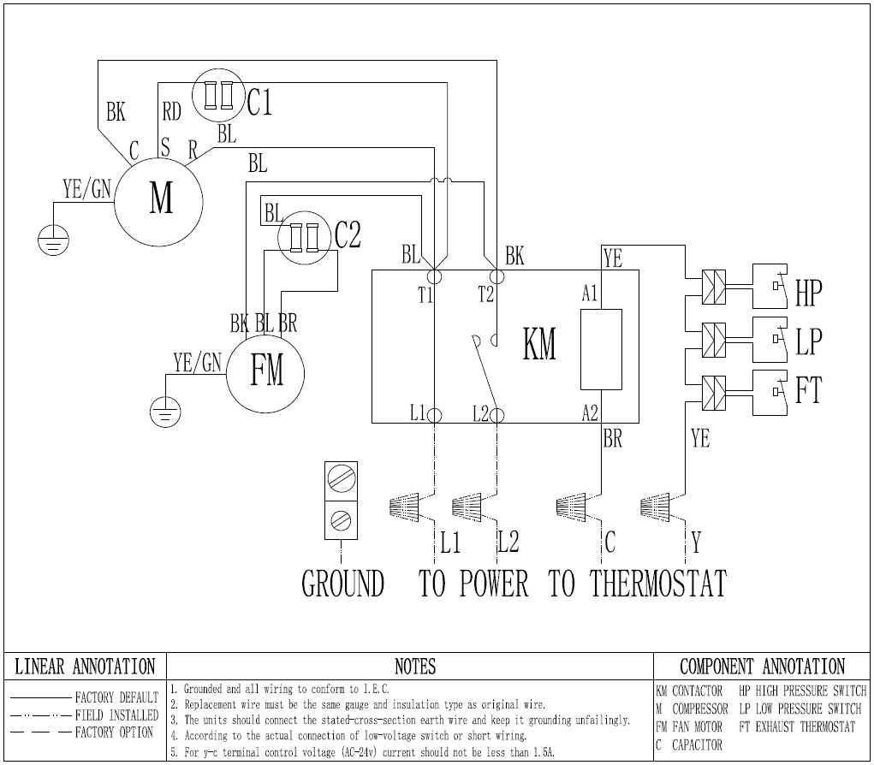

ODU 24K
Exploded View

 | Product: | 15 SEER Condensing Unit
 | Model: | BAC24B15S2T5
 | Power Supply: | 208/230V/1PH/60Hz

16
 |  |  | No. |  |  | Part Name | Quantity | BOM Code | Remark
 |  |  | 1 |  |  | Top air outlet grille | 1 | 91037801
 |  |  | 2 |  |  | Fan motor | 1 | 91043430
 |  |  | 3 |  |  | Axial-flow fan | 1 | 91038106
 |  |  | 4 |  |  | Top cover | 1 | 91043103
 |  |  | 5 |  |  | Right side panel | 1 | 91043110
 |  |  | 6 |  |  | Condenser assembly | 1 | 91078141 | The 6.4.1 marked in red are supporting materials and need to be charged separately. You need to purchase the 6.4.1 together with the condenser assembly.
 |  |  |  | 6.1 |  | Condenser component | 1 | 91044295
 |  |  |  | 6.2 |  | Shunt components | 1 | 91043158
 |  |  |  | 6.3 |  | Gas collector assembly | 1 | 91043162
 |  |  |  | 6.4 |  | High pressure valve assembly | 1 | 91078484 | The 6.4.1 marked in red are supporting materials and need to be charged separately. You need to purchase the 6.4.1 together with the high pressure valve assembly.
 |  |  |  |  | 6.4.1 | Cut-off valve 3/8 | 1 | 91079072
 |  |  | 7 |  |  | Electronic control part | 1 | 91043580
 |  |  |  | 7.1 |  | AC contactor | 1 | 91041306
10.2
 |  |  |  | 7.2 |  | Compressor capacitor | 1 | 91031797
 |  |  |  | 7.3 |  | Fan capacitor | 1 | 91042834
 |  |  | 8 |  |  | Upper side panel | 1 | 91043104
 |  |  | 9 |  |  | Gas return pipe assembly | 1 | 91078480 | The 9.1 and 9.2 marked in red are supporting materials and need to be charged separately. You need to purchase the 9.1 and 9.2 together with the gas return pipe assembly.
 |  |  |  | 9.1 |  | Low pressure switch | 1 | 91041296
 |  |  |  | 9.2 |  | Cut-off valve 3/4 | 1 | 91079074
 |  |  | 10 |  |  | Exhaust pipe assembly | 1 | 91043168 | The 10.1 and 10.2 marked in red are supporting materials and need to be charged separately. You need to purchase the 10.1 and 10.2 together with the exhaust pipe assembly.
 |  |  |  | 10.1 |  | High pressure switch | 1 | 91041295
 |  |  |  | 10.2 |  | Locke ring | 1 | 91079087
 |  |  | 11 |  |  | Lower side panel | 1 | 91043108
 |  |  | 12 |  |  | Base pan components | 1 | 91043100
 |  |  | 13 |  |  | Compressor | 1 | 91078187
 |  |  | 14 |  |  | Left side panel | 1 | 91043109
 |  |  | 15 |  |  | Support plate | 1 | 91043111
 |  |  | 16 |  |  | Exhaust thermostat | 1 | 91040124

ODU 30K
Exploded View

 | Product: | 15 SEER Condensing Unit
 | Model: | BAC30B15S2T5
 | Power Supply: | 208/230V/1PH/60Hz

16
 |  |  | No. |  |  | Part Name | Quantity | BOM Code | Remark
 |  |  | 1 |  |  | Top air outlet grille | 1 | 91037801
 |  |  | 2 |  |  | Fan motor | 1 | 91043432
 |  |  | 3 |  |  | Axial-flow fan | 1 | 91038106
 |  |  | 4 |  |  | Top cover | 1 | 91043103
 |  |  | 5 |  |  | Right side panel | 1 | 91043110
 |  |  | 6 |  |  | Condenser assembly | 1 | 91078141 | The 6.4.1 marked in red are supporting materials and need to be charged separately. You need to purchase the 6.4.1 together with the condenser assembly.
 |  |  |  | 6.1 |  | Condenser component | 1 | 91044295
 |  |  |  | 6.2 |  | Shunt components | 1 | 91043158
 |  |  |  | 6.3 |  | Gas collector assembly | 1 | 91043162
 |  |  |  | 6.4 |  | High pressure valve assembly | 1 | 91078484 | The 6.4.1 marked in red are supporting materials and need to be charged separately. You need to purchase the 6.4.1 together with the high pressure valve assembly.
 |  |  |  |  | 6.4.1 | Cut-off valve 3/8 | 1 | 91079072
 |  |  | 7 |  |  | Electronic control part | 1 | 91043581
 |  |  |  | 7.1 |  | AC contactor | 1 | 91041306
10.2
 |  |  |  | 7.2 |  | Compressor capacitor | 1 | 91031798
 |  |  |  | 7.3 |  | Fan capacitor | 1 | 91042834
 |  |  | 8 |  |  | Upper side panel | 1 | 91043104
 |  |  | 9 |  |  | Gas return pipe assembly | 1 | 91078480 | The 9.1 and 9.2 marked in red are supporting materials and need to be charged separately. You need to purchase the 9.1 and 9.2 together with the gas return pipe assembly.
 |  |  |  | 9.1 |  | Low pressure switch | 1 | 91041296
 |  |  |  | 9.2 |  | Cut-off valve 3/4 | 1 | 91079074
 |  |  | 10 |  |  | Exhaust pipe assembly | 1 | 91043168 | The 10.1 and 10.2 marked in red are supporting materials and need to be charged separately. You need to purchase the 10.1 and 10.2 together with the exhaust pipe assembly.
 |  |  |  | 10.1 |  | High pressure switch | 1 | 91041295
 |  |  |  | 10.2 |  | Locke ring | 1 | 91079087
 |  |  | 11 |  |  | Lower side panel | 1 | 91043108
 |  |  | 12 |  |  | Base pan components | 1 | 91043100
 |  |  | 13 |  |  | Compressor | 1 | 91078188
 |  |  | 14 |  |  | Left side panel | 1 | 91043109
 |  |  | 15 |  |  | Support plate | 1 | 91043111
 |  |  | 16 |  |  | Exhaust thermostat | 1 | 91040124

ODU 36K
Exploded View

 | Product: | 15 SEER Condensing Unit
 | Model: | BAC36B15S2T5
 | Power Supply: | 208/230V/1PH/60Hz

16
 |  |  | No. |  |  | Part Name | Quantity | BOM Code | Remark
 |  |  | 1 |  |  | Top air outlet grille | 1 | 91037800
 |  |  | 2 |  |  | Fan motor | 1 | 91078956
 |  |  | 3 |  |  | Axial-flow fan | 1 | 91038105
 |  |  | 4 |  |  | Top cover | 1 | 91043102
 |  |  | 5 |  |  | Right side panel | 1 | 91043113
 |  |  | 6 |  |  | Condenser assembly | 1 | 91078142 | The 6.4.1 marked in red are supporting materials and need to be charged separately. You need to purchase the 6.4.1 together with the condenser assembly.
 |  |  |  | 6.1 |  | Condenser component | 1 | 91044296
 |  |  |  | 6.2 |  | Shunt components | 1 | 91043158
 |  |  |  | 6.3 |  | Gas collector assembly | 1 | 91043162
 |  |  |  | 6.4 |  | High pressure valve assembly | 1 | 91078485 | The 6.4.1 marked in red are supporting materials and need to be charged separately. You need to purchase the 6.4.1 together with the high pressure valve assembly.
 |  |  |  |  | 6.4.1 | Cut-off valve 3/8 | 1 | 91079072
 |  |  | 7 |  |  | Electronic control part | 1 | 91043582
 |  |  |  | 7.1 |  | AC contactor | 1 | 91041306
10.2
 |  |  |  | 7.2 |  | Compressor capacitor | 1 | 91031799
 |  |  |  | 7.3 |  | Fan capacitor | 1 | 91042834
 |  |  | 8 |  |  | Upper side panel | 1 | 91043104
 |  |  | 9 |  |  | Gas return pipe assembly | 1 | 91078481 | The 9.1 and 9.2 marked in red are supporting materials and need to be charged separately. You need to purchase the 9.1 and 9.2 together with the gas return pipe assembly.
 |  |  |  | 9.1 |  | Low pressure switch | 1 | 91041296
 |  |  |  | 9.2 |  | Cut-off valve 3/4 | 1 | 91079074
 |  |  | 10 |  |  | Exhaust pipe assembly | 1 | 91043170 | The 10.1 and 10.2 marked in red are supporting materials and need to be charged separately. You need to purchase the 10.1 and 10.2 together with the exhaust pipe assembly.
 |  |  |  | 10.1 |  | High pressure switch | 1 | 91041295
 |  |  |  | 10.2 |  | Locke ring | 1 | 91079087
 |  |  | 11 |  |  | Lower side panel | 1 | 91043108
 |  |  | 12 |  |  | Base pan components | 1 | 91043101
 |  |  | 13 |  |  | Compressor | 1 | 91078189
 |  |  | 14 |  |  | Left side panel | 1 | 91043112
 |  |  | 15 |  |  | Support plate | 1 | 91043111
 |  |  | 16 |  |  | Exhaust termostat | 1 | 91040124

ODU 42K
Exploded View

 | Product: | 15 SEER Condensing Unit
 | Model: | BAC42B15S2T5
 | Power Supply: | 208/230V/1PH/60Hz

16
 |  |  | No. |  |  | Part Name | Quantity | BOM Code | Remark
 |  |  | 1 |  |  | Top air outlet grille | 1 | 91037800
 |  |  | 2 |  |  | Fan motor | 1 | 91078956
 |  |  | 3 |  |  | Axial-flow fan | 1 | 91038105
 |  |  | 4 |  |  | Top cover | 1 | 91043102
 |  |  | 5 |  |  | Right side panel | 1 | 91043115
 |  |  | 6 |  |  | Condenser assembly | 1 | 91078143 | The 6.4.1 marked in red are supporting materials and need to be charged separately. You need to purchase the 6.4.1 together with the condenser assembly.
 |  |  |  | 6.1 |  | Condenser component | 1 | 91044297
 |  |  |  | 6.2 |  | Shunt components | 1 | 91043163
 |  |  |  | 6.3 |  | Gas collector assembly | 1 | 91043164
 |  |  |  | 6.4 |  | High pressure valve assembly | 1 | 91078486 | The 6.4.1 marked in red are supporting materials and need to be charged separately. You need to purchase the 6.4.1 together with the high pressure valve assembly.
 |  |  |  |  | 6.4.1 | Cut-off valve 3/8 | 1 | 91079072
 |  |  | 7 |  |  | Electronic control part | 1 | 91043583
 |  |  |  | 7.1 |  | AC contactor | 1 | 91041306
 |  |  |  | 7.2 |  | Compressor capacitor | 1 | 91031799
10.2
 |  |  |  | 7.3 |  | Fan capacitor | 1 | 91042834
 |  |  | 8 |  |  | Upper side panel | 1 | 91043104
 |  |  | 9 |  |  | Gas return pipe assembly | 1 | 91078481 | The 9.1 and 9.2 marked in red are supporting materials and need to be charged separately. You need to purchase the 9.1 and 9.2 together with the gas return pipe assembly.
 |  |  |  | 9.1 |  | Low pressure switch | 1 | 91041296
 |  |  |  | 9.2 |  | Cut-off valve 3/4 | 1 | 91079074
 |  |  | 10 |  |  | Exhaust pipe assembly | 1 | 91078483 | The 10.1 and 10.2 marked in red are supporting materials and need to be charged separately. You need to purchase the 10.1 and 10.2 together with the exhaust pipe assembly.
 |  |  |  | 10.1 |  | High pressure switch | 1 | 91041295
 |  |  |  | 10.2 |  | Locke ring | 1 | 91079087
 |  |  | 11 |  |  | Lower side panel | 1 | 91043107
 |  |  | 12 |  |  | Base pan components | 1 | 91043101
 |  |  | 13 |  |  | Compressor | 1 | 91078190
 |  |  | 14 |  |  | Left side panel | 1 | 91043114
 |  |  | 15 |  |  | Support plate | 1 | 91043116
 |  |  | 16 |  |  | Exhaust thermostat | 1 | 91040124

ODU 48K
Exploded View

 | Product: | 15 SEER Condensing Unit
 | Model: | BAC48B15S2T5
 | Power Supply: | 208/230V/1PH/60Hz

16
 |  |  | No. |  |  | Part Name | Quantity | BOM Code | Remark
 |  |  | 1 |  |  | Top air outlet grille | 1 | 91037800
 |  |  | 2 |  |  | Fan motor | 1 | 91043433
 |  |  | 3 |  |  | Axial-flow fan | 1 | 91038105
 |  |  | 4 |  |  | Top cover | 1 | 91043102
 |  |  | 5 |  |  | Right side panel | 1 | 91043115
 |  |  | 6 |  |  | Condenser assembly | 1 | 91078143 | The 6.4.1 marked in red are supporting materials and need to be charged separately. You need to purchase the 6.4.1 together with the condenser assembly.
 |  |  |  | 6.1 |  | Condenser component | 1 | 91044297
 |  |  |  | 6.2 |  | Shunt components | 1 | 91043163
 |  |  |  | 6.3 |  | Gas collector assembly | 1 | 91043164
 |  |  |  | 6.4 |  | High pressure valve assembly | 1 | 91078486 | The 6.4.1 marked in red are supporting materials and need to be charged separately. You need to purchase the 6.4.1 together with the high pressure valve assembly.
 |  |  |  |  | 6.4.1 | Cut-off valve 3/8 | 1 | 91079072
 |  |  | 7 |  |  | Electronic control part | 1 | 91043584
 |  |  |  | 7.1 |  | AC contactor | 1 | 91041306
 |  |  |  | 7.2 |  | Compressor capacitor | 1 | 91031803
 |  |  |  | 7.3 |  | Fan capacitor | 1 | 91031792
10.2
 |  |  | 8 |  |  | Upper side panel | 1 | 91043104
 |  |  | 9 |  |  | Gas return pipe assembly | 1 | 91078482 | The 9.1 and 9.2 marked in red are supporting materials and need to be charged separately. You need to purchase the 9.1 and 9.2 together with the gas return pipe assembly.
 |  |  |  | 9.1 |  | Low pressure switch | 1 | 91041296
 |  |  |  | 9.2 |  | Cut-off valve 3/4 | 1 | 91079073
 |  |  | 10 |  |  | Exhaust pipe assembly | 1 | 91043172 | The 10.1 and 10.2 marked in red are supporting materials and need to be charged separately. You need to purchase the 10.1 and 10.2 together with the exhaust pipe assembly.
 |  |  |  | 10.1 |  | High pressure switch | 1 | 91041295
 |  |  |  | 10.2 |  | Locke ring | 1 | 91079087
 |  |  | 11 |  |  | Lower side panel | 1 | 91043107
 |  |  | 12 |  |  | Base pan components | 1 | 91043101
 |  |  | 13 |  |  | Compressor | 1 | 91078191
 |  |  | 14 |  |  | Left side panel | 1 | 91043114
 |  |  | 15 |  |  | Support plate | 1 | 91043116
 |  |  | 16 |  |  | Exhaust thermostat | 1 | 91040124

ODU 60K
Exploded View

 | Product: | 15 SEER Condensing Unit
 | Model: | BAC60B15S2T5
 | Power Supply: | 208/230V/1PH/60Hz

16
 |  |  | No. |  |  | Part Name | Quantity | BOM Code | Remark
 |  |  | 1 |  |  | Top air outlet grille | 1 | 91037800
 |  |  | 2 |  |  | Fan motor | 1 | 91043433
 |  |  | 3 |  |  | Axial-flow fan | 1 | 91038105
 |  |  | 4 |  |  | Top cover | 1 | 91043102
 |  |  | 5 |  |  | Right side panel | 1 | 91043115
 |  |  | 6 |  |  | Condenser assembly | 1 | 91078143 | The 6.4.1 marked in red are supporting materials and need to be charged separately. You need to purchase the 6.4.1 together with the condenser assembly.
 |  |  |  | 6.1 |  | Condenser component | 1 | 91044297
 |  |  |  | 6.2 |  | Shunt components | 1 | 91043163
 |  |  |  | 6.3 |  | Gas collector assembly | 1 | 91043164
 |  |  |  | 6.4 |  | High pressure valve assembly | 1 | 91078486 | The 6.4.1 marked in red are supporting materials and need to be charged separately. You need to purchase the 6.4.1 together with the high pressure valve assembly.
 |  |  |  |  | 6.4.1 | Cut-off valve 3/8 | 1 | 91079072
 |  |  | 7 |  |  | Electronic control part | 1 | 91043585
 |  |  |  | 7.1 |  | AC contactor | 1 | 91041306
 |  |  |  | 7.2 |  | Compressor capacitor | 1 | 91031803
10.2
 |  |  |  | 7.3 |  | Fan capacitor | 1 | 91031792
 |  |  | 8 |  |  | Upper side panel | 1 | 91043104
 |  |  | 9 |  |  | Gas return pipe assembly | 1 | 91078482 | The 9.1 and 9.2 marked in red are supporting materials and need to be charged separately. You need to purchase the 9.1 and 9.2 together with the gas return pipe assembly.
 |  |  |  | 9.1 |  | Low pressure switch | 1 | 91041296
 |  |  |  | 9.2 |  | Cut-off valve 3/4 | 1 | 91079073
 |  |  | 10 |  |  | Exhaust pipe assembly | 1 | 91043172 | The 10.1 and 10.2 marked in red are supporting materials and need to be charged separately. You need to purchase the 10.1 and 10.2 together with the exhaust pipe assembly.
 |  |  |  | 10.1 |  | High pressure switch | 1 | 91041295
 |  |  |  | 10.2 |  | Locke ring | 1 | 91079087
 |  |  | 11 |  |  | Lower side panel | 1 | 91043107
 |  |  | 12 |  |  | Base pan components | 1 | 91043101
 |  |  | 13 |  |  | Compressor | 1 | 91078192
 |  |  | 14 |  |  | Left side panel | 1 | 91043114
 |  |  | 15 |  |  | Support plate | 1 | 91043116
 |  |  | 16 |  |  | Exhaust thermostat | 1 | 91040124

