ODU 18K
Exploded View

 | Product: | 15 SEER Condensing Unit
 | Model: | OTD-H18SMR6-A01/SE150
 | Code: | 81006155
 | Power Supply: | 208/230V/1PH/60Hz

9.4
 |  |  | No. |  |  | Part Name | Quantity | BOM Code | Remark
 |  |  | 1 |  |  | Top air outlet grille | 1 | 91037801
 |  |  | 2 |  |  | Fan motor | 1 | 91043430
 |  |  | 3 |  |  | Axial-flow fan | 1 | 91038106
 |  |  | 4 |  |  | Top cover assembly | 1 | 91043103
 |  |  | 5 |  |  | Right side panel | 1 | 91043110
 |  |  | 6 |  |  | Condenser assembly | 1 | 91078152 | The 6.4.1 marked in red are supporting materials and need to be charged separately. You need to purchase the 6.4.1 together with the condenser assembly.
 |  |  |  | 6.1 |  | Condenser component | 1 | 91044295
 |  |  |  | 6.2 |  | Shunt components | 1 | 91043158
17
 |  |  |  | 6.3 |  | Gas collector assembly | 1 | 91043162
 |  |  |  | 6.4 |  | High pressure valve assembly | 1 | 91078446 | The 6.4.1 marked in red are supporting materials and need to be charged separately. You need to purchase the 6.4.1 together with the high pressure valve assembly.
 |  |  |  |  | 6.4.1 | Cut-off valve 3/8 | 1 | 91079072
 |  |  | 7 |  |  | Electronic control part | 1 | 91044613
18
 |  |  |  | 7.1 |  | PCB | 1 | 91034034
7.5
 |  |  |  | 7.2 |  | AC contactor | 1 | 91041306
 |  |  |  | 7.3 |  | Compressor capacitor | 1 | 91031797
 |  |  |  | 7.4 |  | Fan capacitor | 1 | 91042834
 |  |  |  | 7.5 |  | Ambient temperature sensor | 1 | 91041298
 |  |  | 8 |  |  | Upper side panel | 1 | 91043104
19
 |  |  | 9 |  |  | 4-way valve assembly | 1 | 91078457 | The 9.1，9.2，9.3,9.4,9.5 marked in red are supporting materials and need to be charged separately. You need to purchase the 9.1，9.2，9.3,9.4,9.5 together with the 4-way valve assembly.
 |  |  |  | 9.1 |  | 4-way valve | 1 | 91078366
 |  |  |  | 9.2 |  | High pressure switch | 1 | 91039264
 |  |  |  | 9.3 |  | Cut-off valve 3/4 | 1 | 91079074
 |  |  |  | 9.4 |  | Locke ring | 1 | 91079087
20
 |  |  |  | 9.5 |  | Needle valve | 1 | 91079076
 |  |  | 10 |  |  | Gas return pipe assembly | 1 | 91078453 | The 10.1 marked in red are supporting materials and need to be charged separately. You need to purchase the 10.1 together with the gas return pipe assembly.
 |  |  |  | 10.1 |  | Low pressure switch | 1 | 91039263
 |  |  | 11 |  |  | Lower side panel | 1 | 91043108
 |  |  | 12 |  |  | Base pan components | 1 | 91043100
 |  |  | 13 |  |  | Gas-liquid separator | 1 | 91044851
 |  |  | 14 |  |  | Compressor | 1 | 91078186
 |  |  | 15 |  |  | Left side panel | 1 | 91043109
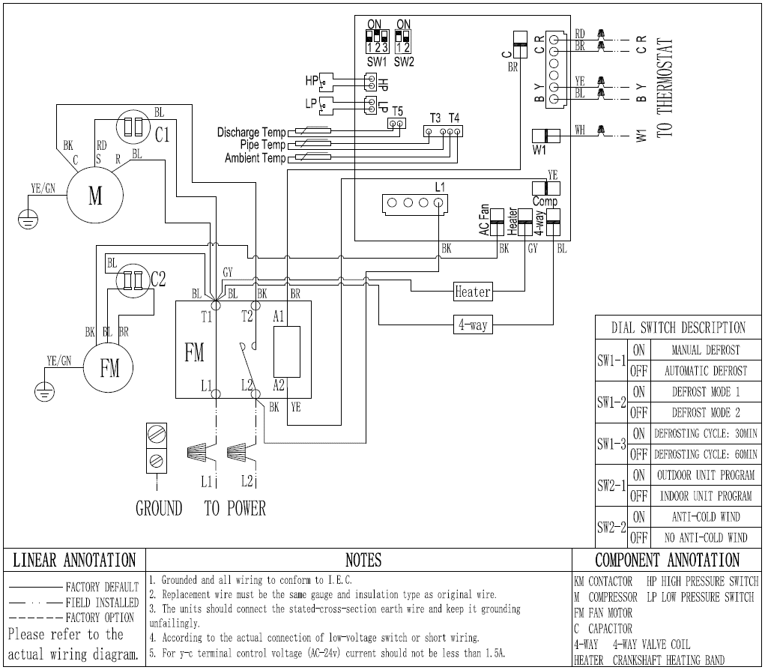
 |  |  | 16 |  |  | Support plate | 1 | 91043111
 |  |  | 17 |  |  | Crankshaft heating belt | 1 | 91040126
 |  |  | 18 |  |  | Condenser temperature sensor | 1 | 91041297
 |  |  | 19 |  |  | Discharge temperature sensor | 1 | 91041299
 |  |  | 20 |  |  | 4-way valve coil | 1 | 91045862

ODU 24K
Exploded View

 | Product: | 15 SEER Condensing Unit
 | Model: | OTD-H24SMR6-A01/SE150
 | Code: | 81006156
 | Power Supply: | 208/230V/1PH/60Hz

9.4
 |  |  | No. |  |  | Part Name | Quantity | BOM Code | Remark
 |  |  | 1 |  |  | Top air outlet grille | 1 | 91037801
 |  |  | 2 |  |  | Fan motor | 1 | 91043430
 |  |  | 3 |  |  | Axial-flow fan | 1 | 91038106
 |  |  | 4 |  |  | Top cover | 1 | 91043103
 |  |  | 5 |  |  | Right side panel | 1 | 91043110
 |  |  | 6 |  |  | Condenser assembly | 1 | 91078153 | The 6.4.1 marked in red are supporting materials and need to be charged separately. You need to purchase the 6.4.1 together with the condenser assembly.
 |  |  |  | 6.1 |  | Condenser component | 1 | 91044295
7.5
 |  |  |  | 6.2 |  | Shunt components | 1 | 91043158
17
 |  |  |  | 6.3 |  | Gas collector assembly | 1 | 91043162
 |  |  |  | 6.4 |  | High pressure valve assembly | 1 | 91078447 | The 6.4.1 marked in red are supporting materials and need to be charged separately. You need to purchase the 6.4.1 together with the high pressure valve assembly.
 |  |  |  |  | 6.4.1 | Cut-off valve 3/8 | 1 | 91079072
 |  |  | 7 |  |  | Electronic control part | 1 | 91044614
18
 |  |  |  | 7.1 |  | PCB | 1 | 91034034
 |  |  |  | 7.2 |  | AC contactor | 1 | 91041306
 |  |  |  | 7.3 |  | Compressor capacitor | 1 | 91031797
 |  |  |  | 7.4 |  | Fan capacitor | 1 | 91042834
19
 |  |  |  | 7.5 |  | Ambient temperature sensor | 1 | 91041298
 |  |  | 8 |  |  | Upper side panel | 1 | 91043104
 |  |  | 9 |  |  | 4-way valve assembly | 1 | 91078457 | The 9.1，9.2，9.3,9.4,9.5 marked in red are supporting materials and need to be charged separately. You need to purchase the 9.1，9.2，9.3,9.4,9.5 together with the 4-way valve assembly.
 |  |  |  | 9.1 |  | 4-way valve | 1 | 91078366
20
 |  |  |  | 9.2 |  | High pressure switch | 1 | 91039264
 |  |  |  | 9.3 |  | Cut-off valve 3/4 | 1 | 91079074
 |  |  |  | 9.4 |  | Locke ring | 1 | 91079087
 |  |  |  | 9.5 |  | Needle valve | 1 | 91079076
 |  |  | 10 |  |  | Gas return pipe assembly | 1 | 91078453 | The 10.1 marked in red are supporting materials and need to be charged separately. You need to purchase the 10.1 together with the gas return pipe assembly.
 |  |  |  | 10.1 |  | Low pressure switch | 1 | 91039263
 |  |  | 11 |  |  | Lower side panel | 1 | 91043108
 |  |  | 12 |  |  | Base pan components | 1 | 91043100
 |  |  | 13 |  |  | Compressor | 1 | 91078187
 |  |  | 14 |  |  | Gas-liquid separator | 1 | 91044851
 |  |  | 15 |  |  | Left side panel | 1 | 91043109
 |  |  | 16 |  |  | Support plate | 1 | 91043111
 |  |  | 17 |  |  | Crankshaft heating belt | 1 | 91040126
 |  |  | 18 |  |  | Condenser temperature sensor | 1 | 91041297
 |  |  | 19 |  |  | Discharge temperature sensor | 1 | 91041299
 |  |  | 20 |  |  | 4-way valve coil | 1 | 91045862

ODU 30K
Exploded View

 | Product: | 15 SEER Condensing Unit
 | Model: | OTD-H30SMR6-A01/SE150
 | Code: | 81006157
 | Power Supply: | 208/230V/1PH/60Hz

9.4
 |  |  | No. |  |  | Part Name | Quantity | BOM Code | Remark
 |  |  | 1 |  |  | Top air outlet grille | 1 | 91037801
 |  |  | 2 |  |  | Fan motor | 1 | 91043432
 |  |  | 3 |  |  | Axial-flow fan | 1 | 91038106
 |  |  | 4 |  |  | Top cover | 1 | 91043103
 |  |  | 5 |  |  | Right side panel | 1 | 91043110
 |  |  | 6 |  |  | Condenser assembly | 1 | 91078154 | The 6.4.1 marked in red are supporting materials and need to be charged separately. You need to purchase the 6.4.1 together with the condenser assembly.
 |  |  |  | 6.1 |  | Condenser component | 1 | 91044295
7.5
 |  |  |  | 6.2 |  | Shunt components | 1 | 91043158
17
 |  |  |  | 6.3 |  | Gas collector assembly | 1 | 91043162
 |  |  |  | 6.4 |  | High pressure valve assembly | 1 | 91078448 | The 6.4.1 marked in red are supporting materials and need to be charged separately. You need to purchase the 6.4.1 together with the high pressure valve assembly.
 |  |  |  |  | 6.4.1 | Cut-off valve 3/8 | 1 | 91079072
 |  |  | 7 |  |  | Electronic control part | 1 | 91044615
18
 |  |  |  | 7.1 |  | PCB | 1 | 91034034
 |  |  |  | 7.2 |  | AC contactor | 1 | 91041306
 |  |  |  | 7.3 |  | Compressor capacitor | 1 | 91031798
 |  |  |  | 7.4 |  | Fan capacitor | 1 | 91042834
19
 |  |  |  | 7.5 |  | Ambient temperature sensor | 1 | 91041298
 |  |  | 8 |  |  | Upper side panel | 1 | 91043104
 |  |  | 9 |  |  | 4-way valve assembly | 1 | 91078457 | The 9.1，9.2，9.3,9.4,9.5 marked in red are supporting materials and need to be charged separately. You need to purchase the 9.1，9.2，9.3,9.4,9.5 together with the 4-way valve assembly.
 |  |  |  | 9.1 |  | 4-way valve | 1 | 91078366
20
 |  |  |  | 9.2 |  | High pressure switch | 1 | 91039264
 |  |  |  | 9.3 |  | Cut-off valve 3/4 | 1 | 91079074
 |  |  |  | 9.4 |  | Locke ring | 1 | 91079087
 |  |  |  | 9.5 |  | Needle valve | 1 | 91079076
 |  |  | 10 |  |  | Gas return pipe assembly | 1 | 91078453 | The 10.1 marked in red are supporting materials and need to be charged separately. You need to purchase the 10.1 together with the gas return pipe assembly.
 |  |  |  | 10.1 |  | Low pressure switch | 1 | 91039263
 |  |  | 11 |  |  | Lower side panel | 1 | 91043108
 |  |  | 12 |  |  | Base pan components | 1 | 91043100
 |  |  | 13 |  |  | Gas-liquid separator | 1 | 91044851
 |  |  | 14 |  |  | Compressor | 1 | 91078188
 |  |  | 15 |  |  | Left side panel | 1 | 91043109
 |  |  | 16 |  |  | Support plate | 1 | 91043111
 |  |  | 17 |  |  | Crankshaft heating belt | 1 | 91040126
 |  |  | 18 |  |  | Condenser temperature sensor | 1 | 91041297
 |  |  | 19 |  |  | Discharge temperature sensor | 1 | 91041299
 |  |  | 20 |  |  | 4-way valve coil | 1 | 91045862

ODU 36K
Exploded View

 | Product: | 15 SEER Condensing Unit
 | Model: | OTD-H36SMR6-B01/SE150
 | Code: | 81006158
 | Power Supply: | 208/230V/1PH/60Hz

 |  |  | No. |  |  | Part Name | Quantity | BOM Code | Remark
 |  |  | 1 |  |  | Top air outlet grille | 1 | 91037800
 |  |  | 2 |  |  | Fan motor | 1 | 91078956
 |  |  | 3 |  |  | Axial-flow fan | 1 | 91038105
9.4
 |  |  | 4 |  |  | Top cover | 1 | 91043102
 |  |  | 5 |  |  | Right side panel | 1 | 91043113
 |  |  | 6 |  |  | Condenser assembly | 1 | 91078155 | The 6.4.1 marked in red are supporting materials and need to be charged separately. You need to purchase the 6.4.1 together with the condenser assembly.
 |  |  |  | 6.1 |  | Condenser component | 1 | 91044296
 |  |  |  | 6.2 |  | Shunt components | 1 | 91043158
 |  |  |  | 6.3 |  | Gas collector assembly | 1 | 91043162
 |  |  |  | 6.4 |  | High pressure valve assembly | 1 | 91078449 | The 6.4.1 marked in red are supporting materials and need to be charged separately. You need to purchase the 6.4.1 together with the high pressure valve assembly.
17
7.5
 |  |  |  |  | 6.4.1 | Cut-off valve 3/8 | 1 | 91079072
 |  |  | 7 |  |  | Electronic control part | 1 | 91044616
 |  |  |  | 7.1 |  | PCB | 1 | 91034034
18
 |  |  |  | 7.2 |  | AC contactor | 1 | 91041306
 |  |  |  | 7.3 |  | Compressor capacitor | 1 | 91031799
 |  |  |  | 7.4 |  | Fan capacitor | 1 | 91042834
 |  |  |  | 7.5 |  | Ambient temperature sensor | 1 | 91041298
 |  |  | 8 |  |  | Upper side panel | 1 | 91043104
19
 |  |  | 9 |  |  | 4-way valve assembly | 1 | 91078458 | The 9.1，9.2，9.3,9.4,9.5 marked in red are supporting materials and need to be charged separately. You need to purchase the 9.1，9.2，9.3,9.4,9.5 together with the 4-way valve assembly.
 |  |  |  | 9.1 |  | 4-way valve | 1 | 10501048
 |  |  |  | 9.2 |  | High pressure switch | 1 | 91039264
 |  |  |  | 9.3 |  | Cut-off valve 3/4 | 1 | 91079074
20
 |  |  |  | 9.4 |  | Locke ring | 1 | 91079087
 |  |  |  | 9.5 |  | Needle valve | 1 | 91079076
 |  |  | 10 |  |  | Gas return pipe assembly | 1 | 91078454 | The 10.1 marked in red are supporting materials and need to be charged separately. You need to purchase the 10.1 together with the gas return pipe assembly.
 |  |  |  | 10.1 |  | Low pressure switch | 1 | 91039263
 |  |  | 11 |  |  | Lower side panel | 1 | 91043108
 |  |  | 12 |  |  | Base pan components | 1 | 91043101
 |  |  | 13 |  |  | Gas-liquid separator | 1 | 91044851
 |  |  | 14 |  |  | Compressor | 1 | 91078189
 |  |  | 15 |  |  | Left side panel | 1 | 91043112
 |  |  | 16 |  |  | Support plate | 1 | 91043111
 |  |  | 17 |  |  | Crankshaft heating belt | 1 | 91040126
 |  |  | 18 |  |  | Condenser temperature sensor | 1 | 91041297
 |  |  | 19 |  |  | Discharge temperature sensor | 1 | 91041299
 |  |  | 20 |  |  | 4-way valve coil | 1 | 91045862

ODU 42K
Exploded View

 | Product: | 15 SEER Condensing Unit
 | Model: | OTD-H42SMR6-C01/SE150
 | Code: | 81006159
 | Power Supply: | 208/230V/1PH/60Hz

9.3
 |  |  | No. |  |  | Part Name | Quantity | BOM Code | Remark
 |  |  | 1 |  |  | Top air outlet grille | 1 | 91037800
 |  |  | 2 |  |  | Fan motor | 1 | 91078956
 |  |  | 3 |  |  | Axial-flow fan | 1 | 91038105
 |  |  | 4 |  |  | Top cover | 1 | 91043102
 |  |  | 5 |  |  | Right side panel | 1 | 91043115
 |  |  | 6 |  |  | Condenser assembly | 1 | 91078156 | The 6.4.1 marked in red are supporting materials and need to be charged separately. You need to purchase the 6.4.1 together with the condenser assembly.
 |  |  |  | 6.1 |  | Condenser component | 1 | 91044297
7.5
 |  |  |  | 6.2 |  | Shunt components | 1 | 91043163
17
 |  |  |  | 6.3 |  | Gas collector assembly | 1 | 91043164
 |  |  |  | 6.4 |  | High pressure valve assembly | 1 | 91078450 | The 6.4.1 marked in red are supporting materials and need to be charged separately. You need to purchase the 6.4.1 together with the high pressure valve assembly.
 |  |  |  |  | 6.4.1 | Cut-off valve 3/8 | 1 | 91079072
 |  |  | 7 |  |  | Electronic control part | 1 | 91044617
18
 |  |  |  | 7.1 |  | PCB | 1 | 91034034
 |  |  |  | 7.2 |  | AC contactor | 1 | 91041306
 |  |  |  | 7.3 |  | Compressor capacitor | 1 | 91031799
 |  |  |  | 7.4 |  | Fan capacitor | 1 | 91042834
19
 |  |  |  | 7.5 |  | Ambient temperature sensor | 1 | 91041298
 |  |  | 8 |  |  | Upper side panel | 1 | 91043104
 |  |  | 9 |  |  | 4-way valve assembly | 1 | 91078592 | The 9.1，9.2，9.3,9.4,9.5 marked in red are supporting materials and need to be charged separately. You need to purchase the 9.1，9.2，9.3,9.4,9.5 together with the 4-way valve assembly.
20
 |  |  |  | 9.1 |  | 4-way valve | 1 | 10501048
 |  |  |  | 9.2 |  | High pressure switch | 1 | 91039264
 |  |  |  | 9.3 |  | Cut-off valve 3/4 | 1 | 91079074
 |  |  |  | 9.4 |  | Locke ring | 1 | 91079087
 |  |  |  | 9.5 |  | Needle valve | 1 | 91079076
 |  |  | 10 |  |  | Gas return pipe assembly | 1 | 91078455 | The 10.1 marked in red are supporting materials and need to be charged separately. You need to purchase the 10.1 together with the gas return pipe assembly.
 |  |  |  | 10.1 |  | Low pressure switch | 1 | 91039263
 |  |  | 11 |  |  | Lower side panel | 1 | 91043107
 |  |  | 12 |  |  | Base pan components | 1 | 91043101
 |  |  | 13 |  |  | Gas-liquid separator | 1 | 91044850
 |  |  | 14 |  |  | Compressor | 1 | 91078190
 |  |  | 15 |  |  | Left side panel | 1 | 91043114
 |  |  | 16 |  |  | Support plate | 1 | 91043116
 |  |  | 17 |  |  | Crankshaft heating belt | 1 | 91040126
 |  |  | 18 |  |  | Condenser temperature sensor | 1 | 91041297
 |  |  | 19 |  |  | Discharge temperature sensor | 1 | 91041299
 |  |  | 20 |  |  | 4-way valve coil | 1 | 91045862

ODU 48K
Exploded View

 | Product: | 15 SEER Condensing Unit
 | Model: | OTD-H48SMR6-C01/SE150
 | Code: | 81006160
 | Power Supply: | 208/230V/1PH/60Hz

9.3
 |  |  | No. |  |  | Part Name | Quantity | BOM Code | Remark
 |  |  | 1 |  |  | Top air outlet grille | 1 | 91037800
 |  |  | 2 |  |  | Fan motor | 1 | 91043433
 |  |  | 3 |  |  | Axial-flow fan | 1 | 91038105
 |  |  | 4 |  |  | Top cover | 1 | 91043102
 |  |  | 5 |  |  | Right side panel | 1 | 91043115
 |  |  | 6 |  |  | Condenser assembly | 1 | 91078157 | The 6.4.1 marked in red are supporting materials and need to be charged separately. You need to purchase the 6.4.1 together with the condenser assembly.
 |  |  |  | 6.1 |  | Condenser component | 1 | 91044297
7.8
 |  |  |  | 6.2 |  | Shunt components | 1 | 91043163
17
 |  |  |  | 6.3 |  | Gas collector assembly | 1 | 91043164
 |  |  |  | 6.4 |  | High pressure valve assembly | 1 | 91078451 | The 6.4.1 marked in red are supporting materials and need to be charged separately. You need to purchase the 6.4.1 together with the high pressure valve assembly.
 |  |  |  |  | 6.4.1 | Cut-off valve 3/8 | 1 | 91079072
 |  |  | 7 |  |  | Electronic control part | 1 | 91044618
18
 |  |  |  | 7.1 |  | PCB | 1 | 91034034
 |  |  |  | 7.2 |  | AC contactor | 1 | 91041306
 |  |  |  | 7.3 |  | Compressor capacitor | 1 | 91031803
 |  |  |  | 7.4 |  | Fan capacitor | 1 | 91031792
19
 |  |  |  | 7.5 |  | Ambient temperature sensor | 1 | 91041298
 |  |  | 8 |  |  | Upper side panel | 1 | 91043104
 |  |  | 9 |  |  | 4-way valve assembly | 1 | 91078459 | The 9.1，9.2，9.3,9.4,9.5 marked in red are supporting materials and need to be charged separately. You need to purchase the 9.1，9.2，9.3,9.4,9.5 together with the 4-way valve assembly.
20
 |  |  |  | 9.1 |  | 4-way valve | 1 | 10501048
 |  |  |  | 9.2 |  | High pressure switch | 1 | 91039264
 |  |  |  | 9.3 |  | Cut-off valve 3/4 | 1 | 91079073
 |  |  |  | 9.4 |  | Locke ring | 1 | 91079087
 |  |  |  | 9.5 |  | Needle valve | 1 | 91079076
 |  |  | 10 |  |  | Gas return pipe assembly | 1 | 91078456 | The 10.1 marked in red are supporting materials and need to be charged separately. You need to purchase the 10.1 together with the gas return pipe assembly.
 |  |  |  | 10.1 |  | Low pressure switch | 1 | 91039263
 |  |  | 11 |  |  | Lower side panel | 1 | 91043107
 |  |  | 12 |  |  | Base pan components | 1 | 91043101
 |  |  | 13 |  |  | Gas-liquid separator | 1 | 91074990
 |  |  | 14 |  |  | Compressor | 1 | 91078191
 |  |  | 15 |  |  | Left side panel | 1 | 91043114
 |  |  | 16 |  |  | Support plate | 1 | 91043116
 |  |  | 17 |  |  | Crankshaft heating belt | 1 | 91040125
 |  |  | 18 |  |  | Condenser temperature sensor | 1 | 91041297
 |  |  | 19 |  |  | Discharge temperature sensor | 1 | 91041299
 |  |  | 20 |  |  | 4-way valve coil | 1 | 91045862

ODU 60K
Exploded View

 | Product: | 15 SEER Condensing Unit
 | Model: | OTD-H60UMR6-C01/SE150
 | Code: | 81006161
 | Power Supply: | 208/230V/1PH/60Hz

 |  |  | No. |  |  | Part Name | Quantity | BOM Code | Remark
 |  |  | 1 |  |  | Top air outlet grille | 1 | 91037800
 |  |  | 2 |  |  | Fan motor | 1 | 91044403
 |  |  | 3 |  |  | Axial-flow fan | 1 | 91038105
9.3
 |  |  | 4 |  |  | Top cover | 1 | 91043102
 |  |  | 5 |  |  | Right side panel | 1 | 91043115
 |  |  | 6 |  |  | Condenser assembly | 1 | 91078158 | The 6.4.1 marked in red are supporting materials and need to be charged separately. You need to purchase the 6.4.1 together with the condenser assembly.
 |  |  |  | 6.1 |  | Condenser component | 1 | 91044298
 |  |  |  | 6.2 |  | Shunt components | 1 | 91043165
17
 |  |  |  | 6.3 |  | Gas collector assembly | 1 | 91043166
 |  |  |  | 6.4 |  | High pressure valve assembly | 1 | 91078452 | The 6.4.1 marked in red are supporting materials and need to be charged separately. You need to purchase the 6.4.1 together with the high pressure valve assembly.
 |  |  |  |  | 6.4.1 | Cut-off valve 3/8 | 1 | 91079072
 |  |  | 7 |  |  | Electronic control part | 1 | 91044619
 |  |  |  | 7.1 |  | PCB | 1 | 91036253
20
 |  |  |  | 7.2 |  | AC contactor | 1 | 91041307
 |  |  |  | 7.3 |  | Compressor capacitor | 1 | 91031803
 |  |  | 8 |  |  | Upper side panel | 1 | 91043104
 |  |  | 9 |  |  | 4-way valve assembly | 1 | 91078459 | The 9.1，9.2，9.3,9.4,9.5 marked in red are supporting materials and need to be charged separately. You need to purchase the 9.1，9.2，9.3,9.4,9.5 together with the 4-way valve assembly.
 |  |  |  | 9.1 |  | 4-way valve | 1 | 10501048
 |  |  |  | 9.2 |  | High pressure switch | 1 | 91039264
 |  |  |  | 9.3 |  | Locke ring | 1 | 91079087
 |  |  |  | 9.4 |  | Cut-off valve 7/8 | 1 | 91079073
 |  |  |  | 9.5 |  | Needle valve | 1 | 91079076
 |  |  | 10 |  |  | Gas return pipe assembly | 1 | 91078456 | The 10.1 marked in red are supporting materials and need to be charged separately. You need to purchase the 10.1 together with the gas return pipe assembly.
 |  |  |  | 10.1 |  | Low pressure switch | 1 | 91039263
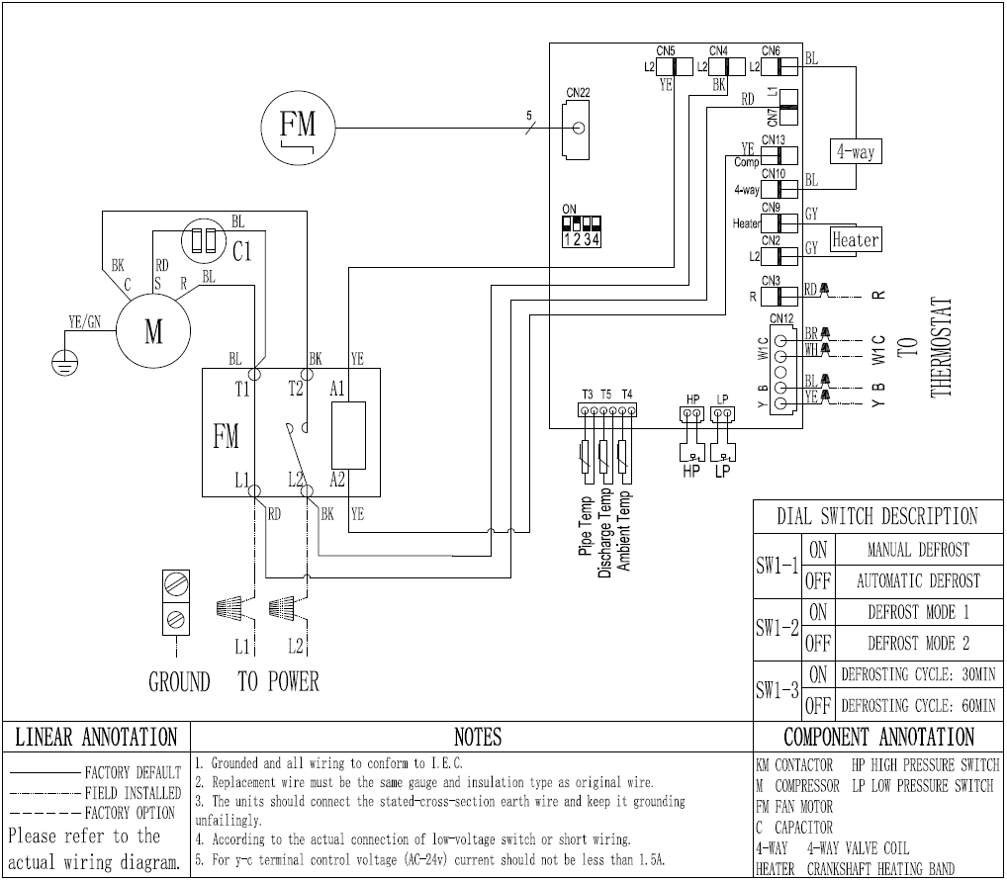
 |  |  | 11 |  |  | Lower side panel | 1 | 91043107
 |  |  | 12 |  |  | Base pan components | 1 | 91043101
 |  |  | 13 |  |  | Gas-liquid separator | 1 | 91074990
 |  |  | 14 |  |  | Compressor | 1 | 91078192
 |  |  | 15 |  |  | Left side panel | 1 | 91043114
 |  |  | 16 |  |  | Support plate | 1 | 91043116
 |  |  | 17 |  |  | Crankshaft heating belt | 1 | 91040125
 |  |  | 18 |  |  | T3、T4、T5 sensor | 1 | 91041300
 |  |  | 20 |  |  | 4-way valve coil | 1 | 91045862

