BAH18B15S2R5
 | Model: BAH18B15S2R5
 | Power: 208V/230V 1Ph
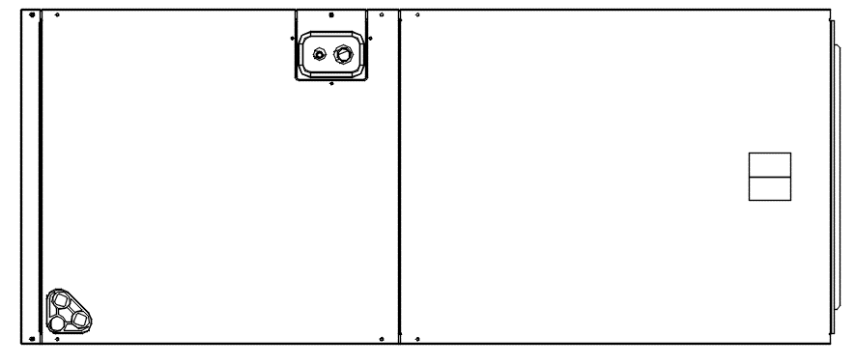
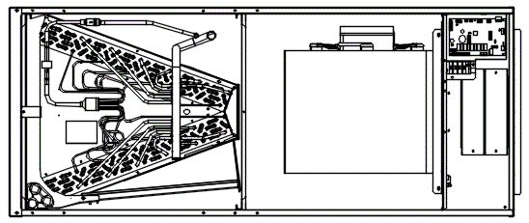

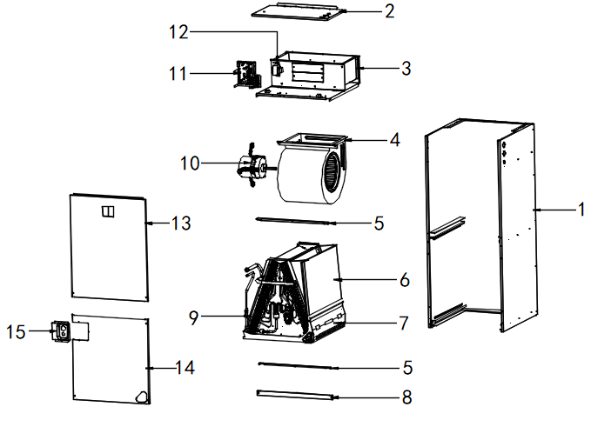

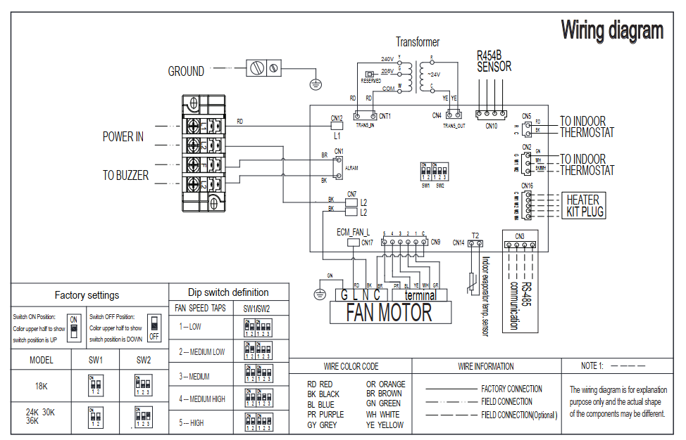

No. | Part Name | Quantity | BOM code
1 | Rear Enclosure Assembly | 1 | 801235000155
2 | Control box cover assembly | 1 | 801244000669
3 | Duct assembly | 1 | 801235000172
4 | Right Volute Wind Wheel | 1 | 801200200040
5 | Support bar | 2 | 801234590090
6 | Water pan components | 1 | 801134590006
7 | Refrigerant leakage sensor | 1 | 802301800001
8 | Filter Cover plate | 1 | 801233590166
9 | Evaporator components | 1 | 801535000061
9.1 | Evaporator output tube assembly | 1 | 801635000217
9.2 | Evaporator input tube assembly | 1 | 801635000218
9.3 | Evaporator baffle | 1 | 8012350A0077
9.4 | Evaporator baffle | 2 | 8012350A0078
10 | DC Motor | 1 | 802401700427
11 | Indoor electric control box assembly | 1 | 803335000037
11.1 | Indoor main control board | 1 | 801306200005
11.2 | Coil temperature sensor | 1 | 802300400181
12 | Transformers | 1 | 802311300001
13 | Upper side plate assembly | 1 | 801235000146
14 | Down side plate assembly | 1 | 801235000171
15 | Pipe Cover plate assembly | 1 | 801235000073

BAH42B15S2R5
 | Model: BAH42B15S2R5
 | Power: 208V/230V 1Ph

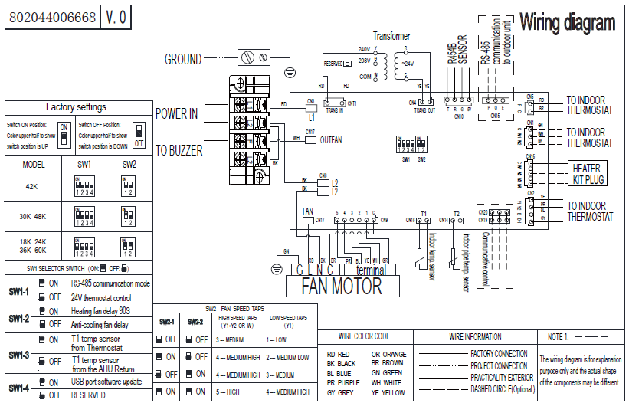

No. | Part Name | Quantity | BOM code
1 | Rear Enclosure Assembly | 1 | 801235000151
2 | Control box cover assembly | 1 | 801235000131
3 | Duct assembly | 1 | 801235000176
4 | Right Volute Wind Wheel | 1 | 801200200040
5 | Support bar | 2 | 801239390051
6 | Water pan components | 1 | 801139390002
7 | Refrigerant leakage sensor | 1 | 802301800001
8 | Filter Cover plate | 1 | 801239390088
9 | Evaporator components | 1 | 801535000074
9.1 | Evaporator output tube assembly | 1 | 801635000258
9.2 | Evaporator input tube assembly | 1 | 801635000257
9.3 | Evaporator baffle | 2 | 801235000128
10 | DC Motor | 1 | 802401700428
11 | Indoor electric control box assembly | 1 | 803344000321
11.1 | Indoor main control board | 1 | 801306200001
11.2 | Ambient temperature sensor | 1 | 802301500028
11.3 | Coil temperature sensor | 1 | 802300400181
12 | Transformers | 1 | 802311300001
13 | Upper side plate assembly | 1 | 801243100007
14 | Down side plate assembly | 1 | 801243100008
15 | Pipe Cover plate assembly | 1 | 801235000073

