BAC18B15S2R5
Model: BFR18B15S2R5
Power: 208V/230V 1N～60Hz

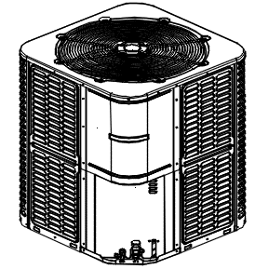
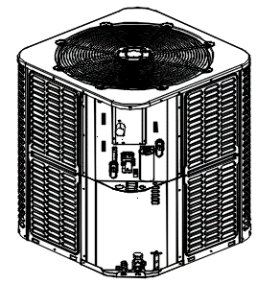

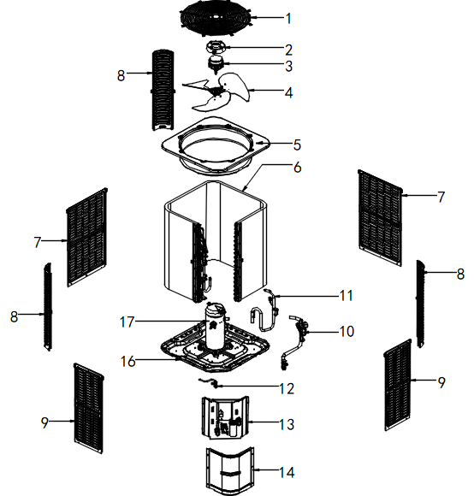

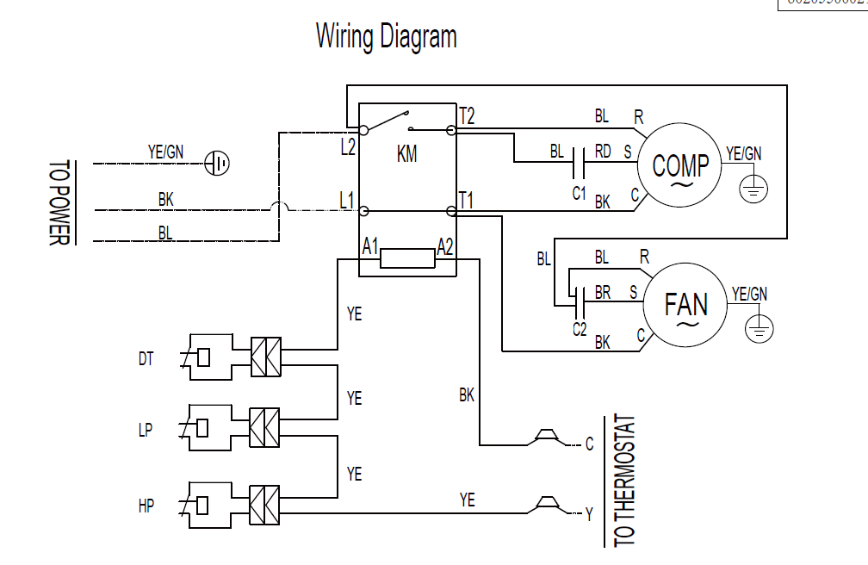

No. | Part Name | Quantity | BOM code
1 | Cover net | 1 | 802935000006
3 | Outdoor motor | 1 | 802401300058
4 | Axial-flow fan | 1 | 802919900009
5 | Top cover assembly | 1 | 801235000247
6 | Condenser assembly | 1 | 801535000088
6.1 | Condenser inlet pipe assembly | 1 | 801635000318
6.2 | Condenser output pipe assembly | 1 | 801635000316
7 | Rear side-panel | 2 | 801235000162
8 | Support board | 3 | 801235000137
9 | Left side-panel | 2 | 801235000163
10 | Suction air pipe weld assembly | 1 | 801635000325
11 | exhaust air pipe assembly | 1 | 801635000327
12 | High pressure valve assembly | 1 | 801635000314
13 | electric control box components | 1 | 803335000039
13.1 | capacitor 6μF±5%/450VAC/φ40 | 1 | 802401000061
13.2 | High pressure switch | 1 | 802405F00024
13.3 | Low pressure switch | 1 | 802405F00016
13.4 | Exhaust temperature switch | 1 | 802412100002
13.5 | AC contactor | 1 | 802300100261
13.6 | Compressor capacitor | 1 | 802401000033
14 | Top panel | 1 | 801235000116
15 | Bottom side panel | 1 | 801235000246
16 | Chassis assembly | 1 | 801235000170
17 | Compressor | 1 | 801402100069

BAC30B15S2R5
Model: BAC30B15S2R5
Power: 208V/230V 1N～60Hz

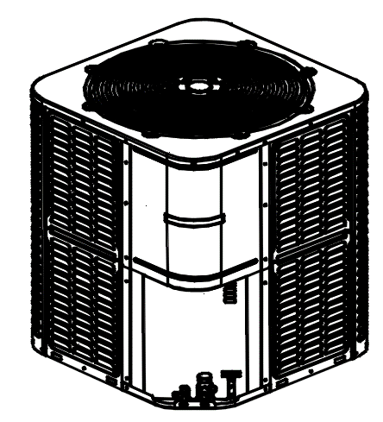
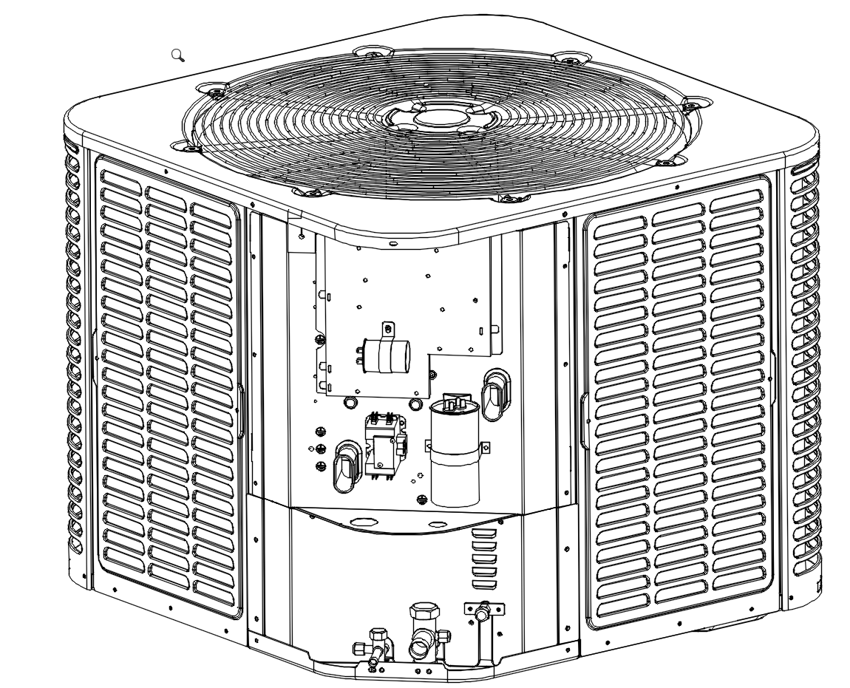

No. | Part Name | Quantity | BOM code
1 | Cover net | 1 | 802935000006
3 | Outdoor motor | 1 | 802401300057
4 | Axial-flow fan | 1 | 802919900009
5 | Top cover assembly | 1 | 801235000247
6 | Condenser assembly | 1 | 801535000085
6.1 | Condenser inlet pipe assembly | 1 | 801635000308
6.2 | Condenser output pipe assembly | 1 | 801635000311
7 | Rear side-panel | 2 | 801235000162
8 | Support board | 3 | 801235000137
9 | Left side-panel | 2 | 801235000163
10 | Suction air pipe weld assembly | 1 | 801635000325
11 | exhaust air pipe assembly | 1 | 801635000327
12 | High pressure valve assembly | 1 | 801635000314
13 | electric control box components | 1 | 803335000042
13.1 | High pressure switch | 1 | 802405F00024
13.2 | Low pressure switch | 1 | 802405F00016
13.3 | Exhaust temperature switch | 1 | 802412100002
13.4 | AC contactor | 1 | 802300100261
13.5 | capacitor 6μF±5%/450VAC/φ40 | 1 | 802401000061
13.6 | capacitor 40μF±5%/450VAC/φ55 | 1 | 802401000047
14 | Top panel | 1 | 801235000116
15 | Bottom side panel | 1 | 801235000246
16 | Chassis assembly | 1 | 801235000170
17 | Compressor | 1 | 801402100068

BAC36B15S2R5
Model: BAC36B15S2R5
Power: 208V/230V 1N～60Hz

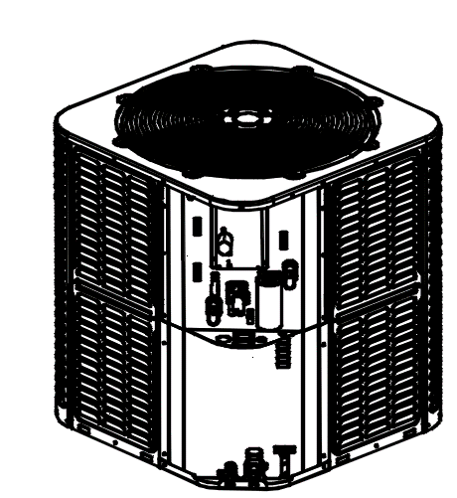

No. | Part Name | Quantity | BOM code
1 | Cover net | 1 | 802935000005
3 | Outdoor motor | 1 | 802401300059
4 | Axial-flow fan | 1 | 801200200055
5 | Top cover assembly | 1 | 801235000118
6 | Condenser assembly | 1 | 801535000091
6.1 | Condenser inlet pipe assembly | 1 | 801635000322
6.2 | Condenser output pipe assembly | 1 | 801635000321
7 | Rear side-panel | 2 | 801235000136
8 | Support board | 3 | 801235000137
9 | Left side-panel | 2 | 801235000135
10 | Suction air pipe weld assembly | 1 | 801635000329
11 | exhaust air pipe assembly | 1 | 801635000331
12 | High pressure valve assembly | 1 | 801635000314
13 | electric control box components | 1 | 803335000043
13.1 | High pressure switch | 1 | 802405F00024
13.2 | Low pressure switch | 1 | 802405F00016
13.3 | Exhaust temperature switch | 1 | 802412100002
13.4 | AC contactor | 1 | 802300100261
13.5 | capacitor 6μF±5%/450VAC/φ40 | 1 | 802401000061
13.6 | capacitor 45μF/450V/50/60Hz/φ55 | 1 | 802401000013
14 | Top panel | 1 | 801235000116
15 | Bottom side panel | 1 | 801235000246
16 | Chassis assembly | 1 | 801235000185
17 | Compressor | 1 | 801402100067

BAC42B15S2R5
Model: BAC42B15S2R5
Power: 208V/230V 1N～60Hz

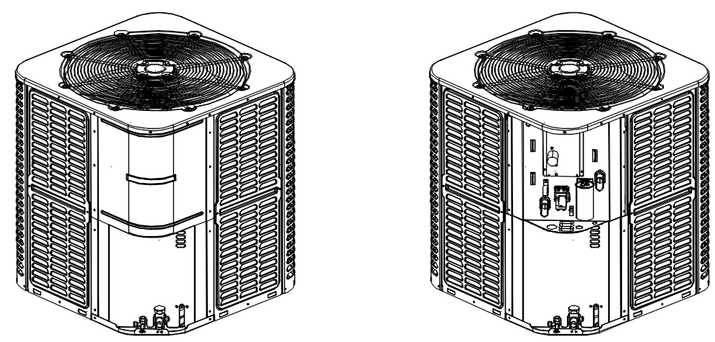

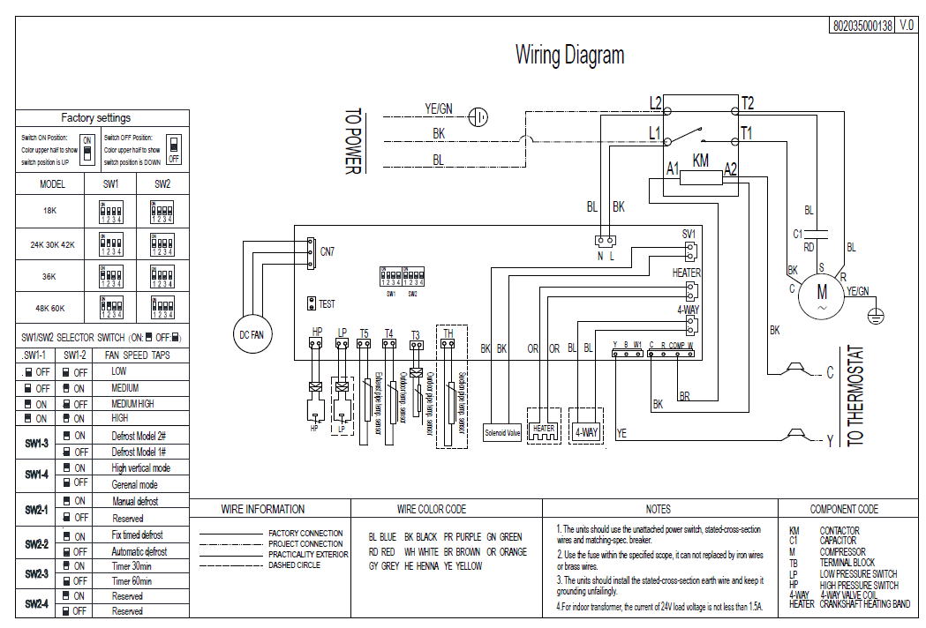

No. | Part Name | Quantity | BOM code
1 | Cover net | 1 | 802935000004
2 | DC Motor Mount | 1 | 801139090007
3 | Outdoor motor | 1 | 802401700429
4 | Axial-flow fan | 1 | 801200200055
5 | Top cover assembly | 1 | 801235000118
6 | Condenser assembly | 1 | 801535000079
6.1 | Condenser inlet pipe assembly | 1 | 801634490195
6.2 | Condenser output pipe assembly | 1 | 801635000110
7 | Rear side-panel | 2 | 801235000121
8 | Support board | 3 | 801235000117
9 | Left side-panel | 2 | 801235000122
10 | Suction air pipe weld assembly | 1 | 801635000272
11 | exhaust air pipe assembly | 1 | 801635000274
12 | High pressure valve assembly | 1 | 801635000270
13 | electric control box components | 1 | 803335000029
13.1 | Electronic control board | 1 | 801335000011
13.2 | High pressure switch | 1 | 802405F00015
13.3 | Low pressure switch | 1 | 802405F00005
13.4 | Condenser temperature sensor (T3) | 1 | 802301500061
13.5 | Ambient temperature sensor (T4) | 1 | 802301500055
13.6 | Exhaust temperature sensor (T5) | 1 | 802300400150
13.7 | Return temperature sensor (TH) | 1 | 802300400092
13.8 | Solenoid valve | 1 | 801600100065
13.9 | AC contactor | 1 | 802300100261
13.10 | Compressor capacitor | 1 | 802401000013
14 | Top panel | 1 | 801235000116
15 | Bottom side panel | 1 | 801235000115
16 | Chassis assembly | 1 | 801235000185
17 | Compressor | 1 | 801402100071

